Overview
Content | NEBB model inputs for "H2 balanced" scenario, replicating "H2 heavy" input excel but with changed scenario name. Changes from "H2 heavy" are in "H2 balanced.xlsx"
 | Data collection and comparison from ENTSO-E TYNDP 2022/2024 and prior NEBB input data
 | Data transformations preparing NEBB inputs
Part of | RePower project
Author | Justinas Jasiūnas
Uploaded | 2025-06-12

NEBB inputs read by build_input_data.py
Formulas | All data from documented sheets is linked via formulas - entries without formulas are copied directly from old NEBB input files of the model
Color code | source values without modification (appart from scaling for unit change)
 | derived values and unit type data entries added during this scenario development (based on characteristics of similar technologies previously present)
Sources of dirrectly coppied data
 | unittypedata | unittypedata_maf2020.xlsx
 | DH in demandata | National Trends 2035 scenario in demanddata_DH_own_projection.xlsx
 | unitdata_DH | unitdata_chp-units.xlsx, Finland_dheat_and_industry.xlsx, balticData.xlsx (ignoring addition of industrial and el. only units, and removal of any unit)
 | Hydro and heat in storagedata | storagedata_maf2020.xlsx, industrialCHP.xlsx
Outputs | Current "H2 heavy" version results in unrealistically high electricity shortages (equal to multiple days of average consumption) in some countries (most notably DE and NL).
 | The principal driver for these shortages - days with very low (few %) wind and solar power capacity factors.
 | In TYNDP, the resulting shortages must have been avoided with additional flexibility options that are absent in NEBB (see TYNDP vs BEBB bellow).
 | In NEBB, the easiest way to avoid these shortages is to revert to older and larger dispatchable fossil fuel powerplant capacities.
 | This is not done here due to focus of Repower study on wind and solar power droughts.

Mannual additions - p_userconstraint
NEBB version, for which dataset in this excel is fixed, does not have automated resolution for adding minimum generation constraints.
These constraints need to be added by manulally coppying content from p_userconstraint sheet.

Objective for collection and comparison - make sense of
 | Inputs | TYNDP2024 includes multiple files with data from various modeling stages that contain larger than NEBB scope, which can be overwhelming
 |  | TYNDP2024 scenarios are very optimistic with lots more VRE and H2 than in prior NEBB scenarios, plus Nordics are net H2 exporters for central Europe
 |  | some TYNDP2024 data lacks clear documentation and include questionable data (e.g., 50 GW of batteries in DE and none in neighbouring PL)
 | Outputs | change in inputs indicates expected change in outputs against which validity of model results can be scrutinized
Approach - compare potentially relevant datasets while maximize data readability using:
 | Text formating | inputs used in next steps, inputs not used, derivatives used, illustrative derivatives, insignificant values, inconsistent/questionable values
 |  | values taken as NEBB inputs
 | Element order | countries by population, thermal technologies by carbon intensity, remaining technologies grouped into renewables and flexibility sources
 | Minimalistic design | hide zeros and cell boundaries, use grey lines, shades of grey instead of distinct colors for head rows and columns, minimal number of relevant digits
 | Documentation | sources, data selection choices, transformation steps, destination files
Scenario | Choice | Primary TYNDP scenario that is used (unless stated otherwise) is Distributed Energy for year 2035 and climate year 2009
 | Reason | Distributed Energy scenario is chosen over Global Energy scenario due to lower (though still questionably high) use of H2

TYNDP vs NEBB - high level comparison
Common | Electricity and H2 generation capacities and demand. Accounted flexibility options include pumped hydro, H2, batteries. Electricity and H2 transmission capacity.
Omissions decreasing flexibity
 | Geography | fewer countries (EU27+ > 14 in NEBB) and country breakdowns outside of Nordics, no dedicated offshore nodes
 | Flexibility options | EVs and basically no DSR
 | H2 aspects | H2 imports, steam methane reformer, H2 power plants, synthetic fuels
 | New wind profiles
Omissions increasing flexibity
 | Geography | dedicated VRE nodes
 | H2 aspects | separate short term storage zones, H2 storage limits (using possible rather than realized capacity expansion to avoid unrealistic shortages), variable demand profiles (while H2 demand should be a net source for flexibility TYNDP 2024 seem to use predefined profiles that would require more flexibility than constant profiles predefined in NEBB)

Kept old NEBB account
 | Hydro
Overall | Significantly lower system flexibility balanced with larger H2 storage and curtailments

H2 heavy 2035 vs National Trends 2025 - main development stages
Significantly more VRE + marginally higher native electricity demand -> huge surpluses
Adding major H2 demand limited with limited addtion to el. flexibility
Adding more flexibility options
Revising thermal power generation capacity mostly eliminating fossils
Accounting other RES and other non-RES (previously present in input files but not used in NEBB) as industrial CHP
Migrating to new NEBB version with new demand profiles and supply scaling. Adjusting for spiky use of nuclear and hydro.

Overview of datasets in |  | TYNDP 2024 website
Website contains multiple input and output datasets of modeling process with multiple stages that are described in methodology report. The copy of the overview figure from methodology report is shown bellow. The differences between data at these stages are not entirely clear to me, but I used data from the latest modeling stages when possible. According to the figure data on visualization platform (present in the TYNDP website) contains the ultimate results of the modeling process. However, it includes only portion of data required for NEBB and does not allow direct copying from selected tables - individual values had to be copied manualy. On the other extreme, plexos modeling result files have an overwhelming amount of data including not self-explanatory entries without documentation.

Streamlining potential
Initial data collection started with use of Visual platform as it represents the latest modeling stage. However, it contains only national level data while NEBB contains sub-country nodes in Scandinavia. As a result, disagregation using proportionality with secondary dataset was used. After familiarizing with plexos output datasets I concluded that it would be more fitting as a single data source, but kept previously collected and dissagreaged datasets. For use clarity, model could be streamlined by moving fully from Visual Plarform to Plexos output excel datasets.

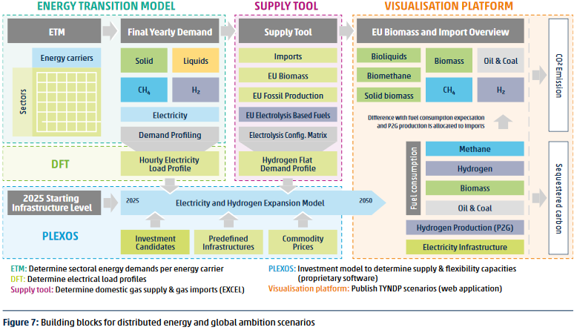

Old data, that is no longer used but was collected during scenario development and was neatly formated, is kept in this excel but are their sheets are hidden for readibility purposes.

Flexibility
Data from 'Updated Electricity Modeling Results. xlsx' of TYNDP 2022 (outdated). Values in MW.
 | Batteries |  |  |  |  |  |  |  |  |  |  | DSR |  |  |  |  |  |  |  |  |  |  |  |  |  |  |  |  |  |  |  |  |  | Gas |  |  |  |  |  |  |  |  |  |  |  |  | Hydro Pumped Storage
 | Utility |  |  | Prosumer |  |  | Total |  |  |  |  | Band 1 |  |  | Band 2 |  |  | Band 3 |  |  | Band 4 |  |  | Band 5 |  |  | Band 6 |  |  | Total |  |  |  | New OCGT |  |  | Old OCGT |  |  | Peaker |  |  | Total |  |  |  | Closed |  |  | Open |  |  | Total
 | 2030 | 2040 | 2050 | 2030 | 2040 | 2050 | 2030 | 2040 | 2050 | 2035 |  | 2030 | 2040 | 2050 | 2030 | 2040 | 2050 | 2030 | 2040 | 2050 | 2030 | 2040 | 2050 | 2030 | 2040 | 2050 | 2030 | 2040 | 2050 | 2030 | 2040 | 2050 |  | 2030 | 2040 | 2050 | 2030 | 2040 | 2050 | 2030 | 2040 | 2050 | 2030 | 2040 | 2050 |  | 2030 | 2040 | 2050 | 2030 | 2040 | 2050 | 2030 | 2040 | 2050
DE00 | 9,029 | 19,752 | 29,152 | 9,220 | 18,525 | 34,386 | 18,250 | 38,277 | 63,538 | 28,263 | DE00 | 286 | 460 | 519 | 504 | 811 | 916 | 681 | 1,097 | 1,239 | 70 | 196 | 221 | 218 | 611 | 691 |  |  |  | 1,759 | 3,175 | 3,587 | DE00 | 2,613 | 2,613 | 2,179 | 452 | 407 | 18 | 9,159 | 36,881 | 46,137 | 12,225 | 39,901 | 48,334 | DE00 | 7,382 | 7,652 | 7,652 | 1,644 | 1,644 | 1,644 | 9,026 | 9,296 | 9,296
DEKF | 0 | 0 | 0 | 0 | 0 | 0 | 0 | 0 | 0 | 0 | DEKF |  |  |  |  |  |  |  |  |  |  |  |  |  |  |  |  |  |  | 0 | 0 | 0 | DEKF |  |  |  |  |  |  |  |  |  | 0 | 0 | 0 | DEKF |  |  |  |  |  |  | 0 | 0 | 0
FR00 | 620 | 1,356 | 2,002 | 633 | 1,272 | 2,361 | 1,253 | 2,629 | 4,363 | 1,941 | FR00 | 1,400 | 1,400 | 1,582 | 4,080 | 4,080 | 4,610 |  |  |  |  |  |  |  |  |  |  |  |  | 5,480 | 5,480 | 6,192 | FR00 | 437 | 437 | 437 | 199 | 199 | 199 |  | 16,233 | 39,171 | 636 | 16,869 | 39,807 | FR00 | 1,950 | 2,485 | 2,485 | 1,850 | 2,358 | 2,358 | 3,800 | 4,843 | 4,843
FR15 | 51 | 113 | 166 | 0 | 0 | 0 | 51 | 113 | 166 | 82 | FR15 | 2 | 2 | 2 |  |  |  |  |  |  |  |  |  |  |  |  |  |  |  | 2 | 2 | 2 | FR15 |  |  |  |  |  |  |  |  |  | 0 | 0 | 0 | FR15 |  |  |  |  |  |  | 0 | 0 | 0
UK00 | 7,742 | 9,552 | 9,305 | 12,547 | 17,598 | 21,559 | 20,289 | 27,150 | 30,864 | 23,719 | UK00 | 4,257 | 7,906 | 8,934 |  |  |  |  |  |  |  |  |  |  |  |  |  |  |  | 4,257 | 7,906 | 8,934 | UK00 | 50 | 50 | 50 | 817 | 817 | 817 | 4,537 | 33,016 | 48,999 | 5,404 | 33,883 | 49,866 | UK00 | 2,744 | 2,744 | 2,744 |  |  |  | 2,744 | 2,744 | 2,744
UKNI | 76 | 121 | 118 | 28 | 40 | 50 | 104 | 162 | 167 | 133 | UKNI | 100 | 125 | 141 |  |  |  |  |  |  |  |  |  |  |  |  |  |  |  | 100 | 125 | 141 | UKNI | 395 | 395 | 395 | 12 | 12 | 12 |  | 16 | 4,004 | 407 | 423 | 4,411 | UKNI |  |  |  |  |  |  | 0 | 0 | 0
ES00 | 6,434 | 14,074 | 20,772 | 5,956 | 6,305 | 7,725 | 12,389 | 20,379 | 28,496 | 16,384 | ES00 |  | 500 | 565 |  | 1,100 | 1,243 |  |  |  |  |  |  |  |  |  |  |  |  | 0 | 1,600 | 1,808 | ES00 |  |  |  |  |  |  |  | 377 | 377 | 0 | 377 | 377 | ES00 | 6,866 | 6,866 | 6,866 | 2,683 | 2,683 | 2,683 | 9,550 | 9,550 | 9,550
PL00 | 1,961 | 3,069 | 2,990 | 2,002 | 2,879 | 3,527 | 3,963 | 5,948 | 6,517 | 4,956 | PL00 |  |  |  |  |  |  |  |  |  |  |  |  |  |  |  |  |  |  | 0 | 0 | 0 | PL00 |  | 3,600 | 3,600 |  |  |  | 6,210 | 14,000 | 21,063 | 6,210 | 17,600 | 24,663 | PL00 | 1,323 | 1,323 | 1,323 | 212 | 212 | 212 | 1,535 | 1,535 | 1,535
NL00 | 6,803 | 10,368 | 10,099 | 6,947 | 13,957 | 18,214 | 13,750 | 24,325 | 28,313 | 19,037 | NL00 | 700 | 700 | 791 |  |  |  |  |  |  |  |  |  |  |  |  |  |  |  | 700 | 700 | 791 | NL00 | 548 | 548 | 548 | 364 | 233 | 233 | 1,924 | 9,552 | 12,982 | 2,836 | 10,333 | 13,763 | NL00 |  |  |  |  |  |  | 0 | 0 | 0
BE00 | 2,105 | 4,604 | 4,996 | 2,149 | 4,318 | 5,893 | 4,254 | 8,923 | 10,890 | 6,589 | BE00 | 205 | 219 | 248 | 717 | 767 | 867 | 205 | 219 | 248 | 614 | 657 | 743 | 307 | 329 | 371 |  |  |  | 2,048 | 2,191 | 2,476 | BE00 | 244 | 244 | 244 | 50 | 50 | 50 |  | 6,331 | 14,823 | 294 | 6,625 | 15,117 | BE00 | 1,224 | 1,224 | 1,224 |  |  |  | 1,224 | 1,224 | 1,224
SE01 | 189 | 141 | 137 | 193 | 132 | 162 | 382 | 273 | 299 | 328 | SE01 | 71 | 71 | 81 | 71 | 71 | 81 | 71 | 71 | 81 |  |  |  |  |  |  |  |  |  | 214 | 214 | 242 | SE01 |  |  |  | 54 | 54 | 54 | 0 | 0 | 0 | 54 | 54 | 54 | SE01 |  |  |  |  |  |  | 0 | 0 | 0
SE02 | 322 | 240 | 233 | 328 | 225 | 275 | 650 | 464 | 509 | 557 | SE02 | 108 | 108 | 122 | 108 | 108 | 122 | 108 | 108 | 122 |  |  |  |  |  |  |  |  |  | 323 | 323 | 365 | SE02 |  |  |  | 57 | 57 | 57 |  | 1,257 | 1,257 | 57 | 1,314 | 1,314 | SE02 |  |  |  |  |  |  | 0 | 0 | 0
SE03 | 1,684 | 1,254 | 1,222 | 1,719 | 1,176 | 1,441 | 3,403 | 2,431 | 2,663 | 2,917 | SE03 | 312 | 312 | 353 | 312 | 312 | 353 | 312 | 312 | 353 |  |  |  |  |  |  |  |  |  | 937 | 937 | 1,058 | SE03 |  |  |  |  |  |  |  | 6,528 | 0 | 0 | 6,528 | 0 | SE03 |  |  |  |  |  |  | 0 | 0 | 0
SE04 | 454 | 338 | 329 | 464 | 317 | 389 | 918 | 656 | 718 | 787 | SE04 | 88 | 88 | 100 | 88 | 88 | 100 | 88 | 88 | 100 |  |  |  |  |  |  |  |  |  | 265 | 265 | 299 | SE04 |  |  |  |  |  |  |  | 2,054 | 2,089 | 0 | 2,054 | 2,089 | SE04 |  |  |  |  |  |  | 0 | 0 | 0
DKE1 | 25 | 56 | 82 | 26 | 52 | 97 | 52 | 108 | 179 | 80 | DKE1 |  |  |  |  |  |  |  |  |  |  |  |  |  |  |  |  |  |  | 0 | 0 | 0 | DKE1 | 106 | 106 | 106 | 13 | 12 | 12 |  | 1,791 | 1,895 | 119 | 1,909 | 2,013 | DKE1 |  |  |  |  |  |  | 0 | 0 | 0
DKKF | 0 | 0 | 0 | 0 | 0 | 0 | 0 | 0 | 0 | 0 | DKKF |  |  |  |  |  |  |  |  |  |  |  |  |  |  |  |  |  |  | 0 | 0 | 0 | DKKF |  |  |  |  |  |  |  |  |  | 0 | 0 | 0 | DKKF |  |  |  |  |  |  | 0 | 0 | 0
DKW1 | 41 | 89 | 131 | 42 | 83 | 155 | 82 | 172 | 286 | 127 | DKW1 |  |  |  |  |  |  |  |  |  |  |  |  |  |  |  |  |  |  | 0 | 0 | 0 | DKW1 | 63 | 63 | 63 | 82 | 82 | 82 |  | 3,020 | 3,789 | 145 | 3,165 | 3,934 | DKW1 |  |  |  |  |  |  | 0 | 0 | 0
FI00 | 561 | 883 | 860 | 927 | 1,341 | 1,643 | 1,488 | 2,224 | 2,503 | 1,856 | FI00 | 1,000 | 1,500 | 1,695 |  | 3,200 | 3,616 | 650 | 850 | 961 | 940 | 2,000 | 2,260 | 950 | 1,187 | 1,341 | 950 | 1,187 | 1,341 | 4,491 | 9,924 | 11,214 | FI00 | 87 | 87 | 87 | 128 | 38 |  |  | 0 | 45 | 215 | 125 | 132 | FI00 |  |  |  |  |  |  | 0 | 0 | 0
NOM1 | 110 | 80 | 71 | 0 | 0 | 0 | 110 | 80 | 71 | 95 | NOM1 | 1,423 | 1,423 | 1,608 |  |  |  |  |  |  |  |  |  |  |  |  |  |  |  | 1,423 | 1,423 | 1,608 | NOM1 |  |  |  |  |  |  |  |  |  | 0 | 0 | 0 | NOM1 |  |  |  | 4,456 | 4,456 | 4,456 | 4,456 | 4,456 | 4,456
NON1 | 0 | 0 | 0 | 0 | 0 | 0 | 0 | 0 | 0 | 0 | NON1 | 1,296 | 1,296 | 1,464 |  |  |  |  |  |  |  |  |  |  |  |  |  |  |  | 1,296 | 1,296 | 1,464 | NON1 |  |  |  |  |  |  |  |  | 0 | 0 | 0 | 0 | NON1 |  |  |  | 5,293 | 5,273 | 5,273 | 5,293 | 5,273 | 5,273
NOS0 | 298 | 217 | 192 | 0 | 0 | 0 | 298 | 217 | 192 | 257 | NOS0 | 3,575 | 3,575 | 4,040 |  |  |  |  |  |  |  |  |  |  |  |  |  |  |  | 3,575 | 3,575 | 4,040 | NOS0 |  |  |  |  |  |  |  | 878 | 878 | 0 | 878 | 878 | NOS0 |  |  |  | 23,612 | 23,492 | 23,492 | 23,612 | 23,492 | 23,492
LT00 | 327 | 447 | 435 | 334 | 419 | 513 | 662 | 866 | 949 | 764 | LT00 | 40 | 50 | 57 |  |  |  |  |  |  |  |  |  |  |  |  |  |  |  | 40 | 50 | 57 | LT00 |  |  |  |  |  |  |  | 808 | 808 | 0 | 808 | 808 | LT00 | 930 | 930 | 930 |  |  |  | 930 | 930 | 930
LV00 | 29 | 94 | 91 | 10 | 29 | 36 | 38 | 123 | 127 | 81 | LV00 | 0 | 0 | 0 | 2 | 2 | 2 | 5 | 5 | 6 | 30 | 30 | 34 |  |  |  |  |  |  | 37 | 37 | 42 | LV00 |  |  |  |  |  |  |  | 0 | 552 | 0 | 0 | 552 | LV00 |  |  |  |  |  |  | 0 | 0 | 0
EE00 | 203 | 281 | 273 | 208 | 263 | 322 | 411 | 544 | 596 | 477 | EE00 | 90 | 173 | 196 |  |  |  |  |  |  |  |  |  |  |  |  |  |  |  | 90 | 173 | 196 | EE00 |  |  |  |  |  |  |  |  | 419 | 0 | 0 | 419 | EE00 |  |  |  |  |  |  | 0 | 0 | 0
GW
Pumped hydro
Demand response
Batteries
Gas
2030
2040
2050
Totals |  | 2030 |  |  |  | 2040 |  |  |  | 2050 |  |  |  | 2035 |  |  |  | Growth since prior period |  | 2030 |  |  |  | 2040 |  |  |  | 2050
 |  | HPS | DSR | Batteries | Gas | HPS | DSR | Batteries | Gas | HPS | DSR | Batteries | Gas | HPS | DSR | Batteries | Gas |  |  | HPS | DSR | Batteries | Gas | HPS | DSR | Batteries | Gas | HPS | DSR | Batteries | Gas
Germany |  | 9,026 | 1,759 | 18,250 | 12,225 | 9,296 | 3,175 | 38,277 | 39,901 | 9,296 | 3,587 | 63,538 | 48,334 | 9,161 | 2,467 | 28,263 | 26,063 | Estonia |  | 0 | 90 | 544 | 0 | 0 | 83 | 132 | 0 | 0 | 23 | 52 | 419
France |  | 3,800 | 5,482 | 1,305 | 636 | 4,843 | 5,482 | 2,741 | 16,869 | 4,843 | 6,194 | 4,530 | 39,807 | 4,322 | 5,482 | 2,023 | 8,753 | Latvia |  | 0 | 37 | 38 | 0 | 0 | 0 | 85 | 0 | 0 | 5 | 4 | 552
UK |  | 2,744 | 4,357 | 20,392 | 5,811 | 2,744 | 8,031 | 27,312 | 34,306 | 2,744 | 9,075 | 31,031 | 54,277 | 2,744 | 6,194 | 23,852 | 20,059 | Lithuania |  | 930 | 40 | 662 | 0 | 0 | 10 | 204 | 808 | 0 | 7 | 83 | 0
Spain |  | 9,550 | 0 | 12,389 | 0 | 9,550 | 1,600 | 20,379 | 377 | 9,550 | 1,808 | 28,496 | 377 | 9,550 | 800 | 16,384 | 189 | Norway |  | 33,361 | 6,294 | 408 | 0 | -140 | 0 | -111 | 878 | 0 | 818 | -34 | 0
Poland |  | 1,535 | 0 | 3,963 | 6,210 | 1,535 | 0 | 5,948 | 17,600 | 1,535 | 0 | 6,517 | 24,663 | 1,535 | 0 | 4,956 | 11,905 | Finland |  | 0 | 4,491 | 1,488 | 215 | 0 | 5,433 | 736 | -90 | 0 | 1,290 | 279 | 7
Netherlands |  | 0 | 700 | 13,750 | 2,836 | 0 | 700 | 24,325 | 10,333 | 0 | 791 | 28,313 | 13,763 | 0 | 700 | 19,037 | 6,584 | Denmark |  | 0 | 0 | 134 | 264 | 0 | 0 | 147 | 4,810 | 0 | 0 | 185 | 873
Belgium |  | 1,224 | 2,048 | 4,254 | 294 | 1,224 | 2,191 | 8,923 | 6,625 | 1,224 | 2,476 | 10,890 | 15,117 | 1,224 | 2,119 | 6,589 | 3,460 | Sweden |  | 0 | 1,739 | 5,353 | 111 | 0 | 0 | -1,529 | 9,839 | 0 | 226 | 365 | -6,493
Sweden |  | 0 | 1,739 | 5,353 | 111 | 0 | 1,739 | 3,824 | 9,950 | 0 | 1,965 | 4,189 | 3,457 | 0 | 1,739 | 4,588 | 5,030 | Belgium |  | 1,224 | 2,048 | 4,254 | 294 | 0 | 143 | 4,669 | 6,331 | 0 | 285 | 1,967 | 8,492
Denmark |  | 0 | 0 | 134 | 264 | 0 | 0 | 281 | 5,074 | 0 | 0 | 466 | 5,947 | 0 | 0 | 207 | 2,669 | Netherlands |  | 0 | 700 | 13,750 | 2,836 | 0 | 0 | 10,575 | 7,497 | 0 | 91 | 3,989 | 3,430
Finland |  | 0 | 4,491 | 1,488 | 215 | 0 | 9,924 | 2,224 | 125 | 0 | 11,214 | 2,503 | 132 | 0 | 7,208 | 1,856 | 170 | Poland |  | 1,535 | 0 | 3,963 | 6,210 | 0 | 0 | 1,985 | 11,390 | 0 | 0 | 568 | 7,063
Norway |  | 33,361 | 6,294 | 408 | 0 | 33,221 | 6,294 | 298 | 878 | 33,221 | 7,112 | 264 | 878 | 33,291 | 6,294 | 353 | 439 | Spain |  | 9,550 | 0 | 12,389 | 0 | 0 | 1,600 | 7,990 | 377 | 0 | 208 | 8,117 | 0
Lithuania |  | 930 | 40 | 662 | 0 | 930 | 50 | 866 | 808 | 930 | 57 | 949 | 808 | 930 | 45 | 764 | 404 | UK |  | 2,744 | 4,357 | 20,392 | 5,811 | 0 | 3,674 | 6,919 | 28,495 | 0 | 1,044 | 3,720 | 19,971
Latvia |  | 0 | 37 | 38 | 0 | 0 | 37 | 123 | 0 | 0 | 42 | 127 | 552 | 0 | 37 | 81 | 0 | France |  | 3,800 | 5,482 | 1,305 | 636 | 1,043 | 0 | 1,436 | 16,233 | 0 | 713 | 1,788 | 22,938
Estonia |  | 0 | 90 | 411 | 0 | 0 | 173 | 544 | 0 | 0 | 196 | 596 | 419 | 0 | 132 | 477 | 0 | Germany |  | 9,026 | 1,759 | 18,250 | 12,225 | 270 | 1,416 | 20,027 | 27,676 | 0 | 413 | 25,261 | 8,433
Total |  |  |  | 82,797 |  |  |  | 136,063 |  |  |  |  |  | 62,756 | 33,216 | 109,430 | 85,723 | Total
Data from Visualization platform of TYNDP 2024. Scenario: Distributed Energy 2035. Values in GW.
 |  | Batteries | DSR | EVs | PS Closed | PS Opened
Germany |  | 50.2 | 20.1 | 33.2 | 7.2 | 2.1
France |  | 3.4 | 6.5 | 22.4 | 2.2 | 2.1
UK |  | 3.2 | 17.5 | 19.9 | 2.7
Spain |  | 4.6 | 2.7 | 17.4 | 6.9 | 4.2
Poland |  |  |  | 10.2 | 1.3 | 0.2
Netherlands |  | 21.3 | 2.0 | 6.0
Belgium |  | 0.7 | 3.3 | 3.9 | 1.3
Sweden |  | 0.6 | 1.7 | 3.4
Denmark |  | 0.5 |  | 2.5
Finland |  | 1.3 | 6.3 | 2.7
Norway |  |  | 10.6 |  |  | 0.7
Lithuania |  | 0.9 | 0.0 | 0.8 | 0.9
Latvia |  | 0.0 | 0.2 | 0.4
Estonia |  |  | 0.3 | 0.3
Total |  | 86.7 | 71.2 | 123.0 | 22.6 | 9.4
HPS data analysis and pre-processing
Existing values |  |  |  |  |  |  |  | Comparison |  |  |  |  |  |  | [1] data from TYNDP-2020-capacities.xlsx. This is the reference for currently used scenario values to be replaced.
 | NT 2025 [1] |  |  | Changes inc |  |  |  |  | VP | 2022 | Capacities | Changes.inc |  |  | VP values for Norway are obviously incorrect
 | PS Closed | PS Open |  | PS Closed | PS Open | Total |  | DE | 9,370 | 9,296 | 9,851 | 9,900 | 530
DE00 | 8,393 | 1,458 | 9,851 | 8,400 | 1,500 | 9,900 |  | FR | 4,250 | 4,843 | 2,954 | 3,500 | -750
FR00 | 2,954 |  | 2,954 | 1,800 | 1,700 | 3,500 |  | UK | 2,740 | 2,744 | 3,500 | 3,000 | 260
UK00 | 1,800 | 1,700 | 3,500 | 3,000 |  | 3,000 |  | ES | 11,130 | 9,550 | 5,956 | 5,900 | -5,230
ES00 | 4,212 | 1,744 | 5,956 | 4,200 | 1,700 | 5,900 |  | PL | 1,550 | 1,535 | 1,473 | 1,450 | -100
PL00 | 1,323 | 150 | 1,473 | 1,300 | 150 | 1,450 |  | BE | 1,310 | 1,224 | 1,395 | 1,400 | 90
BE00 | 1,395 |  | 1,395 | 1,400 |  | 1,400 |  | NO | 710 | 33,221 | 34,472 | 34,400 | 1,179
NOM1 |  | 4,931 | 4,931 |  | 4,900 | 4,900 |  | LT | 940 | 930 | 900 | 900 | -40
NON1 |  | 5,540 | 5,540 |  | 5,500 | 5,500 |  | Total | 32,000 | 63,343 | 60,501 | 60,450
NOS0 |  | 24,000 | 24,000 |  | 24,000 | 24,000
LT00 | 900 |  | 900 | 900 |  | 900
Total | 20,977 | 39,524 | 60,501 | 21,000 | 39,450 | 60,450
Batteries data analysis and pre-processing
NT 2025 [1] |  | Final [3] |  |  |  |  |  |  | Comparison |  |  |  |  |  |  | VP breakdown |  |  |  |  | [1] data from TYNDP-2020-capacities.xlsx. (NEBB input file before development of "timeseries update" branch)
UK00 | 410 |  | Prosumer |  | Utility |  | Total |  |  |  | 2022 | Draft [2] | Final [3] | VP |  | DE00 | 50,180 |  |  |  | [2] Draft Supply Inputs of TYNDP 2024. Collected and aggregated previously
ES00 | 500 |  | 2030 | 2040 | 2030 | 2040 | 2035 |  | Germany |  | 28,263 | 238,529 | 138,281 | 50,180 |  | FR00 | 3,360 |  |  |  | [3] Final Supply inputs of TYNDP 2024
PL00 | 111 | DE00 | 50,538 | 157,525 | 6,401 | 62,099 | 138,281 |  | France |  | 2,023 | 10,777 | 10,777 | 3,360 |  | UK00 | 3,150
BE00 | 410 | DEKF | 0 | 0 | 0 | 0 | 0 |  | UK |  | 23,852 | 30,387 | 40,016 | 3,150 |  | ES00 | 4,610
 | 1,431 | FR00 | 0 | 0 | 940 | 20,614 | 10,777 |  | Spain |  | 16,384 | 24,825 | 17,325 | 4,610 |  | PL00 | 0
 |  | UKNI | 484 | 8,659 | 671 | 9,655 | 9,735 |  | Poland |  | 4,956 | 0 | 0 | 0 |  | NL00 | 21,330
 |  | UK00 | 23,376 | 37,188 | 0 | 0 | 30,282 |  | Netherlands |  | 19,037 | 67,143 | 60,704 | 21,330 |  | BE00 | 690
 |  | ES00 | 1,400 | 2,250 | 5,000 | 26,000 | 17,325 |  | Belgium |  | 6,589 | 3,402 | 2,148 | 690 |  | SE01 | 42
 |  | PL00 | 0 | 0 | 0 | 0 | 0 |  | Sweden |  | 4,588 | 3,059 | 1,460 | 580 |  | SE02 | 70
 |  | NL00 | 17,676 | 64,350 | 8,722 | 30,661 | 60,704 |  | Denmark |  | 207 | 2,000 | 2,000 | 530 |  | SE03 | 366
 |  | BE00 | 520 | 1,566 | 1,105 | 1,105 | 2,148 |  | Finland |  | 1,856 | 4,000 | 4,000 | 1,270 |  | SE04 | 102
 |  | SE01 | 0 | 0 | 0 | 0 | 0 |  | Norway |  | 353 | 0 | 0 | 0 |  | DKE1 | 211
 |  | SE02 | 33 | 100 | 0 | 0 | 67 |  | Lithuania |  | 764 | 200 | 3,200 | 940 |  | DKW1 | 319
 |  | SE03 | 485 | 1,456 | 0 | 0 | 970 |  | Latvia |  | 81 | 160 | 160 | 40 |  | FI00 | 1,270
 |  | SE04 | 212 | 635 | 0 | 0 | 423 |  | Estonia |  | 477 | 0 | 0 | 0 |  | NOM1 | 0
 |  | DKE1 | 0 | 0 | 0 | 0 | 0 |  | Total |  | 109,430 | 384,481 | 280,072 | 86,680 |  | NON1 | 0
 |  | DKKF | 0 | 0 | 0 | 0 | 0 |  |  |  |  |  |  |  |  | NOS0 | 0
 |  | DKW1 | 150 | 190 | 1,850 | 1,810 | 2,000 |  |  |  |  |  |  |  |  | LT00 | 940
 |  | FI00 | 689 | 2,883 | 1,311 | 3,117 | 4,000 |  |  |  |  |  |  |  |  | LV00 | 40
 |  | NOM1 | 0 | 0 | 0 | 0 | 0 |  |  |  |  |  |  |  |  | EE00 | 0
 |  | NON1 | 0 | 0 | 0 | 0 | 0
 |  | NOS0 | 0 | 0 | 0 | 0 | 0
 |  | LT00 | 0 | 0 | 2,200 | 4,200 | 3,200
 |  | LV00 | 11 | 21 | 149 | 139 | 160
 |  | EE00 | 0 | 0 | 0 | 0 | 0

Other (non)RES
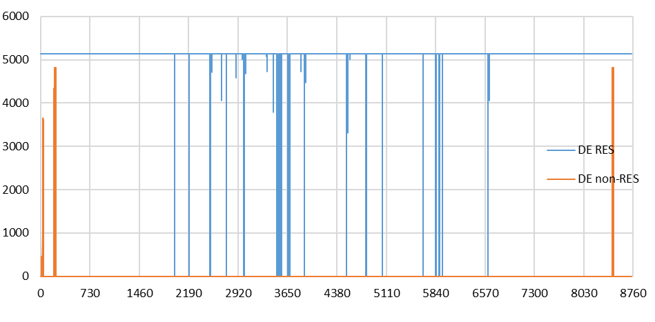
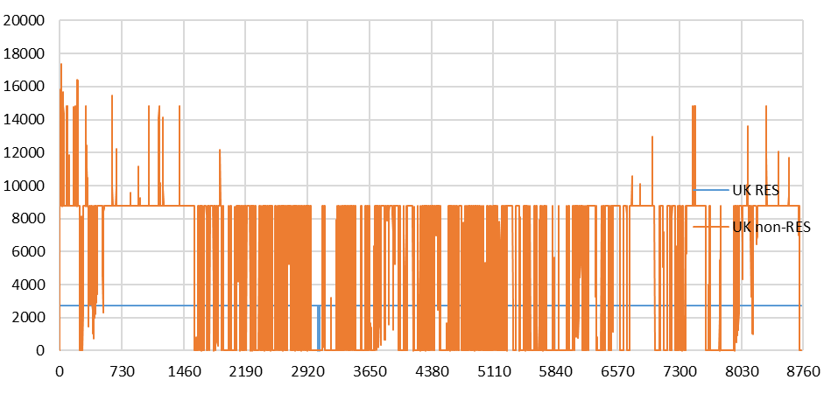
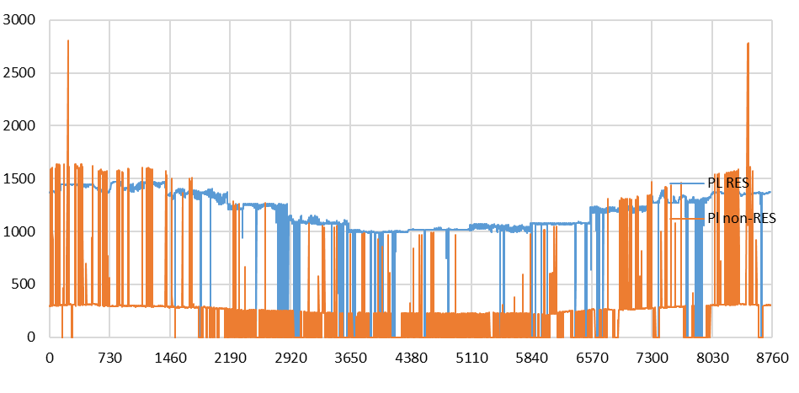
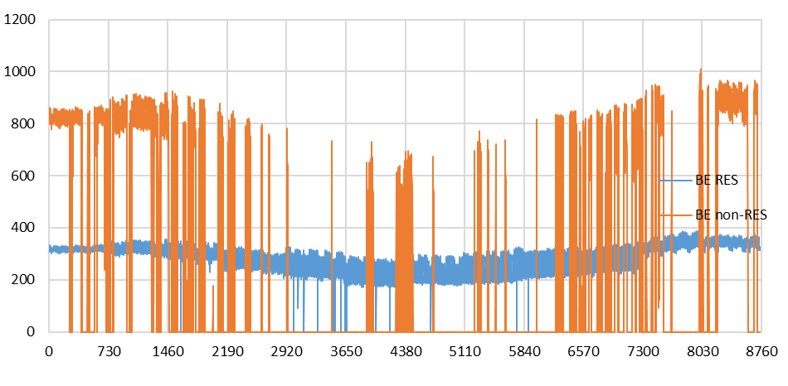
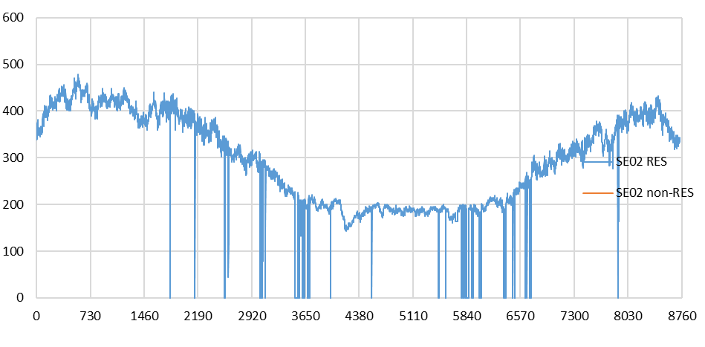
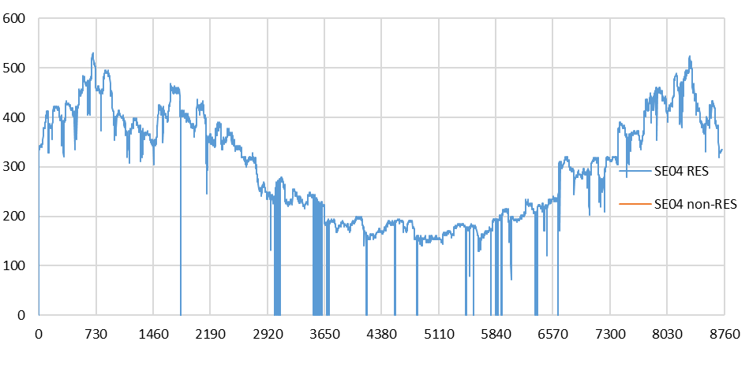
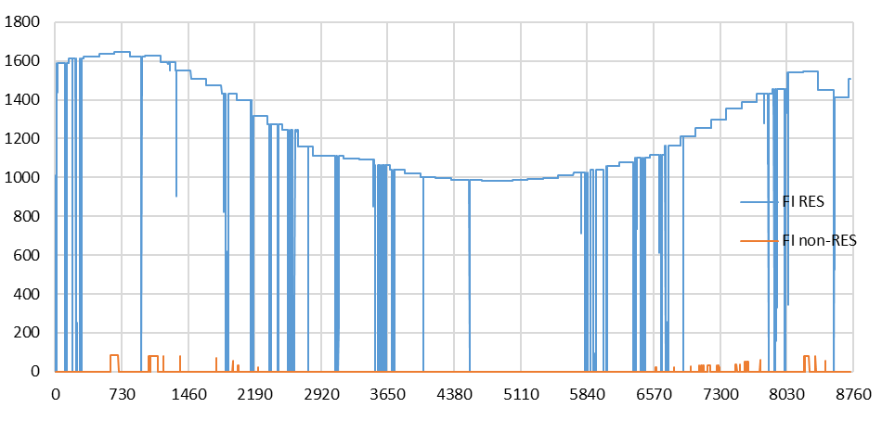
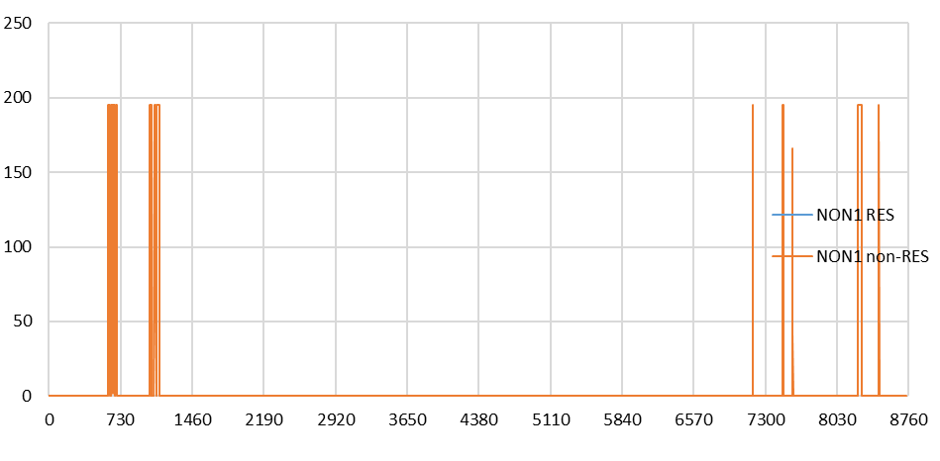
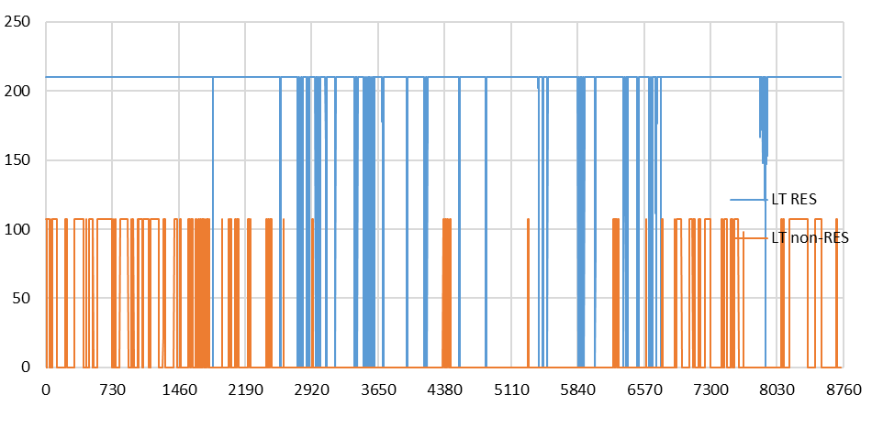
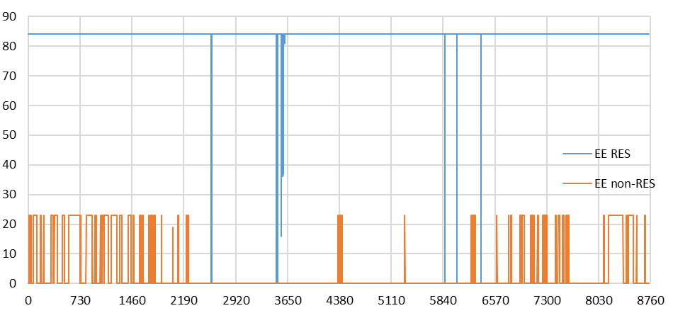
1. Figuring out what other (non)RES means
Need | As shown in Production sheet comparison section, TYNDP envisions majority of fossil capacity decomissioned while other RES and other non-RES capacity would stay largely the same. Given the expectation that other (non)RES is dispatchable, the envisioned changes would make other (non)RES large part of total dispatchable capacity. In normal conditions system is expected to have sufficient flexibility, which may be reached without other (non)RES. However, even in such case other (non)RES would represent siginificant flexibility margin, which would be of critical variable during disruption scenarios.

Documentation | NEBB: had other (non)RES capacities but no technology definitions and thus were not used in the model. TYNDP methodologoy report: "Minimum supply profile has been kept for other non-RES to translate CHP operation"; "For Other Non-RES, minimum supply at zero cost has been kept capturing CHP operation not directly linked to the wholesale market price." TYNDP result report glossary: other RES includes bio-fuels, marine, geothermal, waste, and any other small renewable technologies; other non-RES includes mainly CHP that is used in district heating & industry where fuel use can be gas, coal, lignite, and oil.

Profiles | To figure out how these capacities were used in TYNDP 2024, the Plexos output results were studied including profile statistics listed bellow and profile plots shown on the right.
Source | MMStandardOutputFile_DE2035_Plexos_CY2009_v11_SoS.xlsb (TYNDP 2024 Plexos result for Distributed Energy scenario year 2035 and climate year 2009)

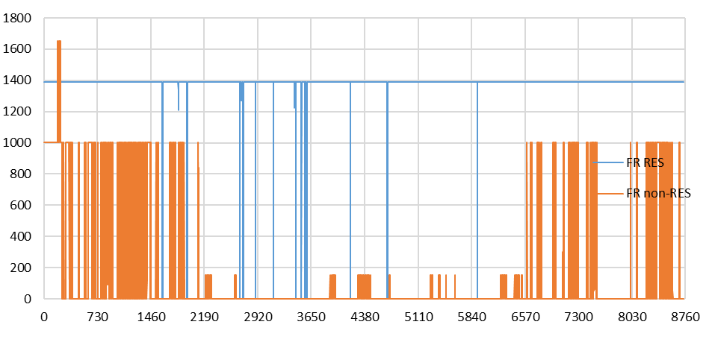
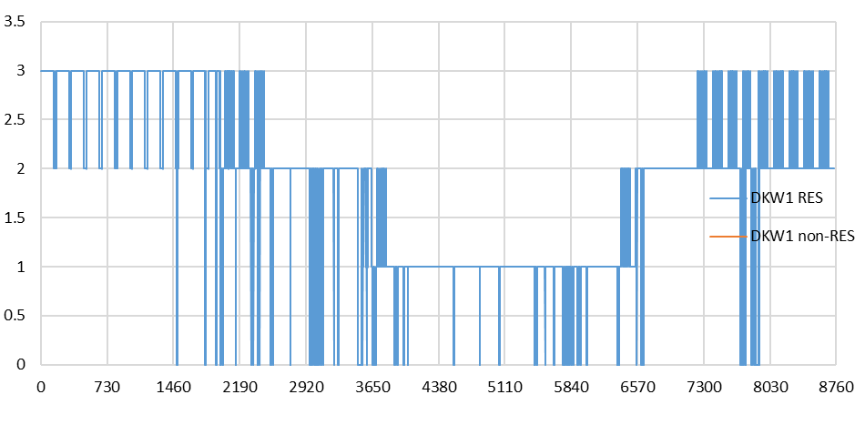
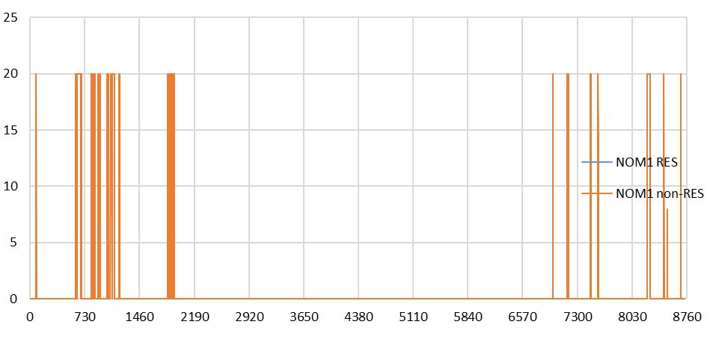
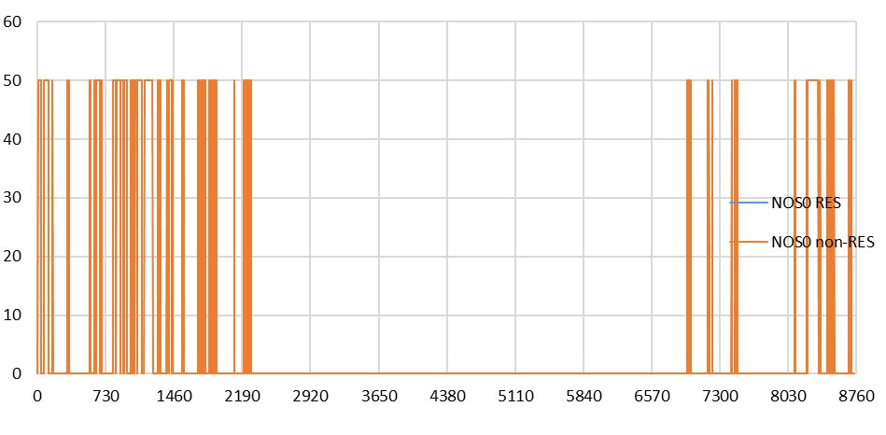
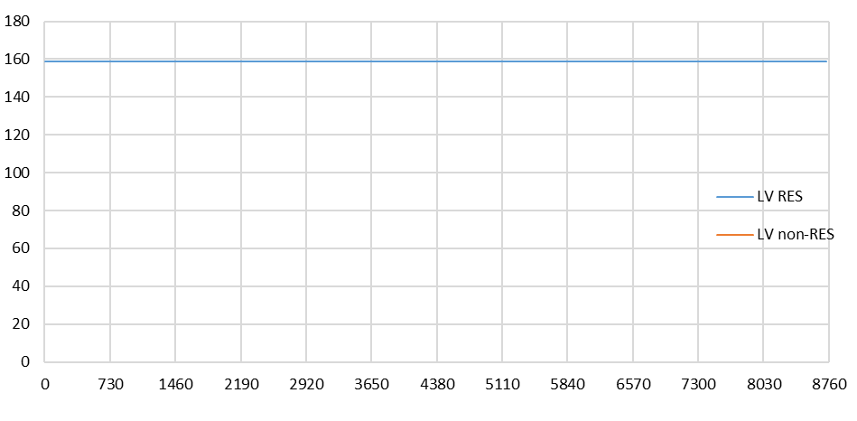
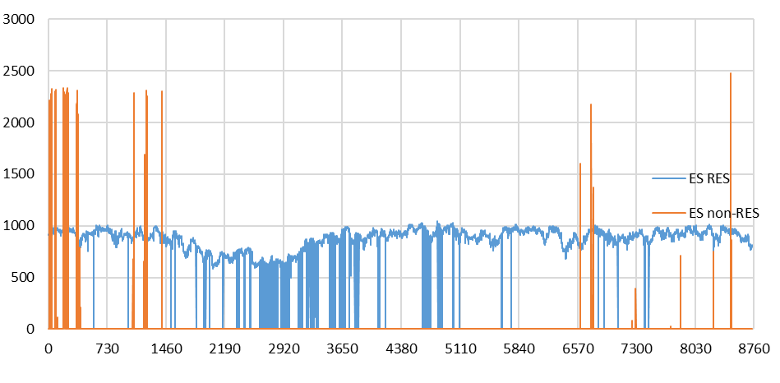
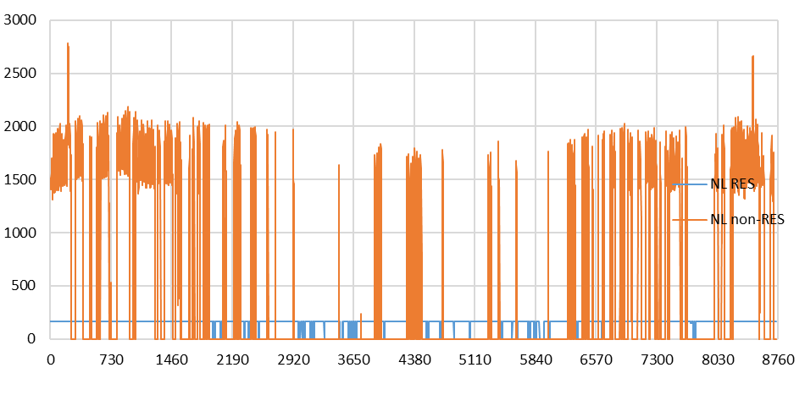
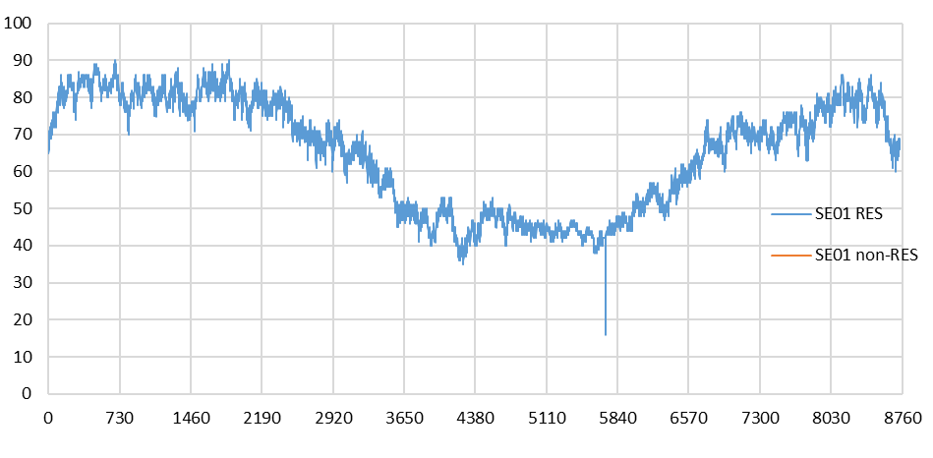
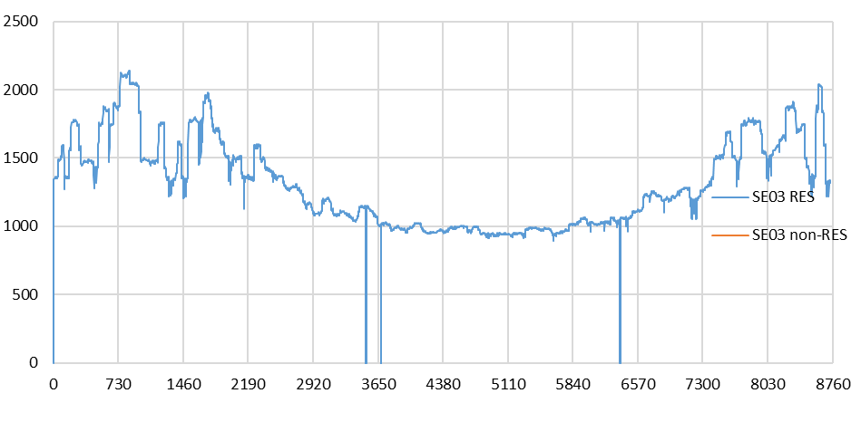
Statistics of generation profiles
*Flat refers here to a profile with a certain value being present for most of the year without gradual variations.
 |  | DE00 | FR00 | UK00 | ES00 | PL00 | NL00 | BE00 | SE01 | SE02 | SE03 | SE04 | DKE1 | DKW1 | FI00 | NOM1 | NON1 | NOS0 | LT00 | LV00 | EE00
Other RES | Capacity | 8,564 | 2,415 | 3,053 | 1,730 | 2,183 | 415 | 615 | 199 | 744 | 2,554 | 698 | 0 | 7 | 2,625 | 0 | 0 | 0 | 210 | 159 | 168 | 26,339
 | Max | 5,130 | 1,391 | 2,770 | 1,049 | 1,474 | 166 | 389 | 90 | 479 | 2,137 | 531 |  | 3 | 1,646 |  |  |  | 210 | 159 | 84 | 17,708
 | Ave | 5,078 | 1,384 | 2,767 | 852 | 1,167 | 159 | 287 | 65 | 291 | 1,306 | 298 |  | 2 | 1,181 |  |  |  | 203 | 159 | 84
 | Min | 0 |  |  |  |  |  |  | 16 |  |  |  |  |  |  |  |  |  |  | 159
 | Flat* | Y | Y | Y | N | N | Y | N | N | N | N | N |  | Y | N |  |  |  | Y | Y | Y
Other non-RES | Capacity | 4,825 | 2,600 | 17,361 | 3,980 | 4,678 | 3,664 | 1,594 | 0 | 0 | 0 | 0 | 0 | 0 | 133 | 20 | 195 | 50 | 107 | 0 | 135 | 39,342
 | Max | 4,825 | 1,651 | 17,362 | 2,477 | 2,807 | 2,785 | 1,010 |  |  |  |  |  |  | 85 | 20 | 195 | 50 | 107 |  | 23
 | Ave | 24 | 185 | 5,644 | 25 | 269 | 531 | 253 |  |  |  |  |  |  | 3 | 1 | 5 | 6 | 22 |  | 4
 | Min | 0
 | Flat* | Y | Y | ? | N | N | N | N |  |  |  |  |  |  | N | Y | Y | Y | Y |  | Y

2. Accounting as flexible heat-to-power ratio industial CHP
Aims | 1. Constant electricity production in normal conditions
 | 2. Increased electricity production at higher prices
Account | 1. Industrial CHP with high cost for lost load of industrial heat demand
 | 2. CHP with flexible heat-to-power ratio (allows to increase electricity output at higher costs while keeping the same heat output) following methodology documented in backbone demo model for flexible CHP
 | flexCHP-documentation sheet in inputData_demo-flexCHP.xlsx in |  |  |  |  |  |  | Example models · Wiki · backbone / backbone · GitLab
Assumptions | Fuels | other RES - biomass, other non-RES - coal
 | Efficiencies | electric in backpressure mode - 0.3, electric in condencing mode - 0.4, total - 0.9

Demand
Assumptions | Heat demand is based on average electricity demand in other res and other non-RES generators. Average is chosen becouse none of the profiles are strictly constant.
 | Heat to power ratio in condencing mode - 2
 |  | DE00 | FR00 | UK00 | ES00 | PL00 | NL00 | BE00 | SE01 | SE02 | SE03 | SE04 | DKE1 | DKW1 | FI00 | NOM1 | NON1 | NOS0 | LT00 | LV00 | EE00
Average electric output | MW | 5,102 | 1,569 | 8,411 | 877 | 1,437 | 690 | 541 | 65 | 291 | 1,306 | 298 | 0 | 2 | 1,184 | 1 | 5 | 6 | 225 | 159 | 88 | 22,256
Industrial heat demand | MW | 10,204 | 3,139 | 16,823 | 1,754 | 2,874 | 1,380 | 1,081 | 130 | 582 | 2,612 | 595 | 0 | 4 | 2,368 | 2 | 9 | 11 | 451 | 318 | 175 | 44,512
Industrial heat demand | TWh | 89 | 27 | 147 | 15 | 25 | 12 | 9 | 1 | 5 | 23 | 5 | 0 | 0 | 21 | 0 | 0 | 0 | 4 | 2 | 2
 |  | 0.38 | 0.31 | 0.41 | 0.15 | 0.21 | 0.17 | 0.24 | 0.33 | 0.39 | 0.51 | 0.43 |  | 0.26 | 0.43 | 0.04 | 0.02 | 0.11 | 0.71 | 1.00 | 0.29 | 0.34
 |  | DE00 | FR00 | UK00 | ES00 | PL00 | NL00 | BE00 | SE01 | SE02 | SE03 | SE04 | FI00 | LT00 | LV00 | EE00
Industrial heat demand | TWh | 89 | 27 | 147 | 15 | 25 | 12 | 9 | 1 | 5 | 23 | 5 | 21 | 4 | 2 | 2

Operation points [GW]
Assumptions | Power-to-heat ratio flexibility is the same across all industrial CHP plants in modelled NEBB countries
 | Electricity capacity given for other (non)RES is maximum electricity generation with which all heat demand can still be supplied (i.e., point B)
Power
Heat
O
D
A (44.5, 22.3)
B (44.5, 65.7)
C
 | Power output after maximum output in backpressure mode mode increase six times slower than heat output decreases (i.e., CD slope is six times smaller than that of OC)
 | Capacities for all NEBB countries
$$\left\{\begin{aligned}P_{C}=\frac{1}{2}∙H_{C} \\ P_{B}=P_{C}+\frac{1}{6}∙\left(H_{C}−H_{B}\right)\end{aligned}\right.⇒P_{B}=\frac{1}{2}H_{C}+\frac{1}{6}\left(H_{C}−H_{B}\right)=\frac{2}{3}H_{C}−\frac{1}{6}H_{B}⇒\frac{2}{3}H_{C}=P_{B}+\frac{1}{6}H_{B}⇒H_{C}=\frac{3}{2}P_{B}+\frac{1}{6}H_{B}$$
 |  | Heat | Elec
 | A | 44.5 | 22.3
 | B | 44.5 | 65.7
 | C | 105.9 | 53.0
 | D | 0 | 70.6
 |  |  | 0.62
 | cb | 0.50 | cv | 0.16666666667
Capacities
 |  | Point | DE00 | FR00 | UK00 | ES00 | PL00 | NL00 | BE00 | SE01 | SE02 | SE03 | SE04 | DKE1 | DKW1 | FI00 | NOM1 | NON1 | NOS0 | LT00 | LV00 | EE00
Other RES | Elec | B | 8,564 | 2,415 | 3,053 | 1,730 | 2,183 | 415 | 615 | 199 | 744 | 2,554 | 698 | 0 | 7 | 2,625 | 0 | 0 | 0 | 210 | 159 | 168 | 26,339
 | Heat | C | 13,813 | 3,895 | 4,924 | 2,790 | 3,521 | 669 | 992 | 321 | 1,200 | 4,119 | 1,126 | 0 | 11 | 4,234 | 0 | 0 | 0 | 339 | 256 | 271 | 42,483
 | Elec | D | 9,209 | 2,597 | 3,283 | 1,860 | 2,347 | 446 | 661 | 214 | 800 | 2,746 | 751 | 0 | 8 | 2,823 | 0 | 0 | 0 | 226 | 171 | 181 | 28,322
 | Fuel |  | 23,022 | 6,492 | 8,207 | 4,651 | 5,868 | 1,116 | 1,653 | 535 | 2,000 | 6,866 | 1,876 | 0 | 19 | 7,057 | 0 | 0 | 0 | 565 | 427 | 452
Other non-RES | TYNDP | B | 4,825 | 2,600 | 17,361 | 3,980 | 4,678 | 3,664 | 1,594 | 0 | 0 | 0 | 0 | 0 | 0 | 133 | 20 | 195 | 50 | 107 | 0 | 135 | 39,342
 | Heat | C | 7,782 | 4,194 | 28,002 | 6,420 | 7,545 | 5,910 | 2,571 | 0 | 0 | 0 | 0 | 0 | 0 | 215 | 32 | 315 | 81 | 173 | 0 | 218 | 63,457
 | Elec | D | 5,188 | 2,796 | 18,668 | 4,280 | 5,030 | 3,940 | 1,714 | 0 | 0 | 0 | 0 | 0 | 0 | 143 | 22 | 210 | 54 | 115 | 0 | 145 | 42,304
 | Fuel |  | 12,971 | 6,989 | 46,671 | 10,699 | 12,576 | 9,850 | 4,285 | 0 | 0 | 0 | 0 | 0 | 0 | 358 | 54 | 524 | 134 | 288 | 0 | 363
Heat capacity sufficiency* |  |  | TRUE | TRUE | TRUE | TRUE | TRUE | TRUE | TRUE | TRUE | TRUE | TRUE | TRUE | FALSE | TRUE | TRUE | TRUE | TRUE | TRUE | TRUE | FALSE | TRUE
Capacity/Demand |  |  | 2.1 | 2.6 | 2.0 | 5.3 | 3.9 | 4.8 | 3.3 | 2.5 | 2.1 | 1.6 | 1.9 |  | 3.1 | 1.9 | 20.1 | 34.7 | 7.0 | 1.1 | 0.8 | 2.8

Demand (old)
Data in this sheet is no longer the best source for modeling given the release of TYNDP 2024 data on visual platform. It is not out of date, but represent only part of analysis done in TYNDP study.
The most noticable differentces are in national distribution of domestic H2 production, which previously was derived from EU-wide data available. Later steps do not contain demand breakdown by sectors, for which data in this sheet remains valuable.
Multiple scenarios and sectoral breakdowns were included at early explorative stage of the project before concreate data requiremets were identified.
Source files: | [1] "Demand Scenarios TYNDP 2024 After Public Consultation.xslx" - demand for all countries except UK and Norway
 | [2] "Draft Demand Scenarios TYNDP 2024.xlsb" - demand for UK
 | [3] "Updated Electricity Modeling Results.xlsx" (2022) - demand for Norway (total only). National trend scenario values for 2025 are taken as Ref.
 | [4] "Draft Supply Tool EU-level.xlsx" - EU-level H2 supply breakdown for domestic production versus imports.
 | [5] "National Trends and Energy Mix Survey.xlsx" - national-level H2 supply breakdown by domestic production versus imports
Notations: Ref is for 2019, NE - non-energy, values in TWh

Step 1. Extracting data for 2040

Annual electricity demand by sector [1]
Filters used: countries, subsector - total, energy carrier - electricity, dashboard_id - no …non_energetic (removes duplicative industry that has zeros for all countries)

 | Germany (85) |  |  | France (68) |  |  | UK (67) [2] |  |  | Spain (48) |  |  | Poland (38) |  |  | Netherlands (18) |  |  | Belgium (12) |  |  | Sweden (11) |  |  | Denmark (6.0) |  |  | Finland (5.6) |  |  | Norway (5.5) [3] |  |  | Lithuania (2.9) |  |  | Latvia (1.8) |  |  | Estonia (1.3) |  |  | Total
 | REF | DE | GA | REF | DE | GA | REF | DE | GA | REF | DE | GA | REF | DE | GA | REF | DE | GA | REF | DE | GA | REF | DE | GA | REF | DE | GA | REF | DE | GA | REF | DE | GA | REF | DE | GA | REF | DE | GA | REF | DE | GA | DE | GA
Households | 125.3 | 162.5 | 191.9 | 147.5 | 142.9 | 142.6 | 105.4 | 126.4 | 126.9 | 73.0 | 79.8 | 87.9 | 27.8 | 38.6 | 32.6 | 23.0 | 31.9 | 32.7 | 16.8 | 23.0 | 22.0 | 46.0 | 40.6 | 38.3 | 9.8 | 9.7 | 9.8 | 24.1 | 29.8 | 31.8 |  |  |  | 2.9 | 2.8 | 2.3 | 1.7 | 2.0 | 1.6 | 2.1 | 2.9 | 2.8 | 693 | 723 | 87% | 63%
Buildings | 112.2 | 103.0 | 104.4 | 127.4 | 83.4 | 83.4 | 89.2 | 108.0 | 81.0 | 68.4 | 53.5 | 53.6 | 44.4 | 35.5 | 36.3 | 32.6 | 27.0 | 31.4 | 19.9 | 18.8 | 18.2 | 25.9 | 20.5 | 19.7 | 8.5 | 8.3 | 8.0 | 18.5 | 16.3 | 17.7 |  |  |  | 3.1 | 2.8 | 2.9 | 2.4 | 2.1 | 2.1 | 2.6 | 2.5 | 2.4 | 481 | 461 | 61% | 40%
Industry | 252.6 | 404.8 | 245.8 | 135.6 | 159.9 | 149.7 | 99.9 | 101.9 | 99.0 | 90.0 | 87.4 | 65.9 | 73.4 | 88.6 | 76.9 | 45.3 | 104.8 | 77.8 | 41.9 | 80.7 | 74.8 | 55.4 | 122.8 | 106.0 | 10.9 | 14.3 | 7.0 | 41.2 | 85.8 | 68.7 |  |  |  | 5.1 | 5.5 | 4.4 | 2.3 | 2.4 | 2.2 | 2.9 | 2.2 | 2.0 | 1,261 | 980 | 159% | 85%
Transport | 11.7 | 157.4 | 121.6 | 9.0 | 88.7 | 84.5 | 6.5 | 81.2 | 62.0 | 3.7 | 79.6 | 60.0 | 3.2 | 34.4 | 23.7 | 2.4 | 46.5 | 26.5 | 1.7 | 21.9 | 20.0 | 2.7 | 16.5 | 14.9 | 0.5 | 11.3 | 3.6 | 0.9 | 9.9 | 8.0 |  |  |  | 0.1 | 3.1 | 1.8 | 0.1 | 1.8 | 1.0 | 0.0 | 1.0 | 1.0 | 553 | 429 | 70% | 37%
Agriculture | 5.1 | 6.7 | 5.7 | 8.3 | 9.4 | 9.4 | 3.2 | 3.9 | 3.3 | 5.4 | 7.0 | 5.5 | 1.8 | 2.4 | 1.9 | 11.4 | 13.7 | 13.8 | 1.8 | 2.2 | 1.9 | 1.0 | 1.3 | 1.1 | 1.8 | 2.4 | 1.9 | 1.5 | 2.0 | 1.6 |  |  |  | 0.2 | 0.3 | 0.2 | 0.2 | 0.2 | 0.2 | 0.1 | 0.2 | 0.1 | 52 | 47 | 7% | 4%
Other | 0.0 | 0.0 | 0.0 | 1.2 | 2.6 | 2.6 | 0.0 | 0.0 | 0.0 | 1.6 | 1.6 | 1.6 | 0.0 | 0.0 | 0.0 | 0.0 | 0.0 | 0.0 | 0.1 | 0.1 | 0.1 | 0.0 | 0.0 | 0.0 | 0.0 | 0.0 | 0.0 | 0.0 | 0.0 | 0.0 |  |  |  | 0.0 | 0.0 | 0.0 | 0.0 | 0.0 | 0.0 | 0.0 | 0.0 | 0.0 | 4 | 4 | 1% | 0%
Energy | 31.1 | 31.1 | 31.1 | 23.9 | 23.9 | 23.9 | 12.5 | 12.5 | 12.5 | 9.5 | 9.5 | 9.5 | 12.6 | 12.6 | 12.6 | 3.5 | 3.5 | 3.5 | 3.7 | 3.7 | 3.7 | 2.8 | 2.8 | 2.8 | 0.8 | 0.8 | 0.8 | 2.6 | 2.6 | 2.6 |  |  |  | 0.2 | 0.2 | 0.2 | 0.5 | 0.5 | 0.5 | 1.0 | 1.0 | 1.0 | 105 | 105
Total | 537.9 | 865.4 | 700.5 | 452.9 | 510.8 | 496.2 | 316.6 | 433.9 | 384.7 | 251.5 | 318.4 | 283.9 | 163.2 | 212.1 | 183.9 | 118.3 | 227.4 | 185.6 | 85.9 | 150.5 | 140.6 | 133.8 | 204.6 | 182.8 | 32.4 | 46.8 | 31.1 | 88.7 | 146.4 | 130.5 | 151.04149 | 183.12366166 | 183.12366166 | 11.6 | 14.7 | 11.8 | 7.1 | 9.0 | 7.5 | 8.8 | 9.7 | 9.4 | 3,333 | 2,932
 |  |  |  |  |  |  |  |  |  |  |  |  |  |  |  |  |  |  |  |  |  |  |  |  |  |  |  |  |  |  |  |  |  |  |  |  |  |  |  |  |  |  | 0 | 0
Annual H2 demand by sector [1] |  |  |  |  |  |  |  |  |  |  |  |  |  |  |  |  |  |  |  |  |  |  |  |  |  |  |  |  |  |  |  |  |  |  |  |  |  |  |  |  |  |  | #DIV/0! | #DIV/0!
Filters used: countries, subsector - total, energy carrier - hydrogen

 | Germany |  |  | France |  |  | UK [2] |  |  | Spain |  |  | Poland |  |  | Netherlands |  |  | Belgium |  |  | Sweden |  |  | Denmark |  |  | Finland |  |  | Norway |  |  | Lithuania |  |  | Latvia |  |  | Estonia |  |  | Total
 | REF | DE | GA | REF | DE | GA | REF | DE | GA | REF | DE | GA | REF | DE | GA | REF | DE | GA | REF | DE | GA | REF | DE | GA | REF | DE | GA | REF | DE | GA | REF | DE | GA | REF | DE | GA | REF | DE | GA | REF | DE | GA | DE | GA
Households | 0.0 | 29.6 | 75.2 | 0.0 | 0.0 | 2.5 | 0.0 | 54.0 | 58.9 | 0.0 | 0.0 | 0.0 | 0.0 | 4.7 | 17.7 | 0.0 | 0.0 | 9.4 | 0.0 | 0.0 | 5.9 | 0.0 | 1.4 | 5.8 | 0.0 | 0.0 | 0.0 | 0.0 | 0.0 | 0.0 |  |  |  | 0.0 | 0.2 | 0.9 | 0.0 | 0.2 | 0.9 | 0.0 | 0.0 | 0.0 | 90 | 177 | 11% | 15%
Buildings | 0.0 | 7.0 | 15.3 | 0.0 | 0.0 | 0.0 | 0.0 | 8.9 | 9.6 | 0.0 | 0.0 | 0.0 | 0.0 | 1.2 | 3.9 | 0.0 | 0.0 | 2.8 | 0.0 | 0.0 | 1.1 | 0.0 | 0.4 | 1.1 | 0.0 | 0.0 | 0.0 | 0.0 | 0.0 | 0.5 |  |  |  | 0.0 | 0.1 | 0.2 | 0.0 | 0.1 | 0.3 | 0.0 | 0.0 | 0.0 | 18 | 35 | 2% | 3%
Industry | 0.0 | 115.3 | 199.5 | 0.0 | 11.7 | 11.4 | 0.0 | 33.1 | 31.8 | 0.0 | 56.6 | 93.6 | 0.0 | 16.1 | 22.0 | 0.0 | 39.7 | 56.1 | 0.0 | 19.1 | 27.7 | 0.0 | 16.2 | 17.5 | 0.0 | 1.5 | 5.1 | 0.0 | 9.7 | 15.7 |  |  |  | 0.0 | 1.9 | 2.3 | 0.0 | 0.0 | 0.7 | 0.0 | 0.6 | 0.6 | 322 | 484 | 40% | 42%
IndustryNE | 0.0 | 113.8 | 88.1 | 0.0 | 29.0 | 29.0 | 0.0 | 22.4 | 17.1 | 0.0 | 5.8 | 8.0 | 0.0 | 23.7 | 22.1 | 0.0 | 11.0 | 16.9 | 0.0 | 19.8 | 30.3 | 0.0 | 18.5 | 18.5 | 0.0 | 0.0 | 0.0 | 0.0 | 14.8 | 12.3 |  |  |  | 0.0 | 7.1 | 6.6 | 0.0 | 0.0 | 0.0 | 0.0 | 0.0 | 0.0 | 266 | 249 | 33% | 22%
Transport | 0.0 | 42.3 | 73.0 | 0.0 | 5.6 | 9.4 | 0.0 | 12.3 | 15.1 | 0.0 | 11.7 | 19.1 | 0.0 | 9.1 | 23.7 | 0.0 | 4.1 | 22.9 | 0.0 | 0.8 | 7.0 | 0.0 | 0.5 | 13.2 | 0.0 | 5.8 | 3.3 | 0.0 | 1.4 | 5.4 |  |  |  | 0.0 | 1.5 | 2.4 | 0.0 | 0.8 | 1.1 | 0.0 | 0.2 | 0.3 | 96 | 196 | 12% | 17%
Agriculture | 0.0 | 3.1 | 8.3 | 0.0 | 0.1 | 0.1 | 0.0 | 0.0 | 0.0 | 0.0 | 0.0 | 0.0 | 0.0 | 0.0 | 0.0 | 0.0 | 0.0 | 3.3 | 0.0 | 0.0 | 0.0 | 0.0 | 0.0 | 0.0 | 0.0 | 0.0 | 0.0 | 0.0 | 0.0 | 0.0 |  |  |  | 0.0 | 0.0 | 0.0 | 0.0 | 0.0 | 0.0 | 0.0 | 0.0 | 0.0 | 3 | 12 | 0% | 1%
Other | 0.0 | 0.0 | 0.0 | 0.0 | 0.0 | 0.0 | 0.0 | 0.0 | 0.0 | 0.0 | 0.0 | 0.0 | 0.0 | 0.0 | 0.0 | 0.0 | 0.0 | 0.0 | 0.0 | 0.0 | 0.0 | 0.0 | 0.0 | 0.0 | 0.0 | 0.0 | 0.0 | 0.0 | 0.0 | 0.0 |  |  |  | 0.0 | 0.0 | 0.0 | 0.0 | 0.0 | 0.0 | 0.0 | 0.0 | 0.0 | 0 | 0
Energy | 0.0 | 0.0 | 0.0 | 0.0 | 0.0 | 0.0 | 0.0 | 0.0 | 0.0 | 0.0 | 0.0 | 0.0 | 0.0 | 0.0 | 0.0 | 0.0 | 0.0 | 0.0 | 0.0 | 0.0 | 0.0 | 0.0 | 0.0 | 0.0 | 0.0 | 0.0 | 0.0 | 0.0 | 0.0 | 0.0 |  |  |  | 0.0 | 0.0 | 0.0 | 0.0 | 0.0 | 0.0 | 0.0 | 0.0 | 0.0 | 0 | 0
Total | 0.0 | 311.1 | 459.4 | 0.0 | 46.3 | 52.3 | 0.0 | 130.7 | 132.6 | 0.0 | 74.1 | 120.7 | 0.0 | 54.8 | 89.3 | 0.0 | 54.7 | 111.4 | 0.0 | 39.7 | 72.0 | 0.0 | 37.0 | 56.1 | 0.0 | 7.4 | 8.4 | 0.0 | 25.9 | 34.0 |  |  |  | 0.0 | 10.9 | 12.3 | 0.0 | 1.1 | 3.0 | 0.0 | 0.9 | 0.9 | 795 | 1,152
Industry share |  | 74% | 63% |  | 88% | 77% |  | 42% | 37% |  | 84% | 84% |  | 73% | 49% |  | 93% | 65% |  | 98% | 81% |  | 94% | 64% |  | 21% | 61% |  | 95% | 82% |  |  |  |  | 83% | 72% |  | 2% | 24% |  | 72% | 64% | 74% | 64%

Annual H2 demand in industry by subsector [1]
Filters used: countries, subsector - total, energy carrier - hydrogen

 | Germany |  |  | France |  |  | UK [2] |  |  | Spain |  |  | Poland |  |  | Netherlands |  |  | Belgium |  |  | Sweden |  |  | Denmark |  |  | Finland |  |  | Norway |  |  | Lithuania |  |  | Latvia |  |  | Estonia
 | REF | DE | GA | REF | DE | GA | REF | DE | GA | REF | DE | GA | REF | DE | GA | REF | DE | GA | REF | DE | GA | REF | DE | GA | REF | DE | GA | REF | DE | GA | REF | DE | GA | REF | DE | GA | REF | DE | GA | REF | DE | GA
Aluminium | 0.0 | 0.0 | 0.0 | 0.0 | 0.0 | 0.0 | 0.0 | 0.0 | 0.0 | 0.0 | 0.0 | 0.0 | 0.0 | 0.0 | 0.0 | 0.0 | 0.0 | 0.0 | 0.0 | 0.0 | 0.0 | 0.0 | 0.0 | 0.0 | 0.0 | 0.0 | 0.0 | 0.0 | 0.0 | 0.0 |  |  |  | 0.0 | 0.0 | 0.0 | 0.0 | 0.0 | 0.0 | 0.0 | 0.0 | 0.0
Chemicals | 0.0 | 11.8 | 31.3 | 0.0 | 2.2 | 2.6 | 0.0 | 2.0 | 1.9 | 0.0 | 9.5 | 9.7 | 0.0 | 2.2 | 2.1 | 0.0 | 6.8 | 13.4 | 0.0 | 0.5 | 4.8 | 0.0 | 0.2 | 0.2 | 0.0 | 0.1 | 0.2 | 0.0 | 0.0 | 0.8 |  |  |  | 0.0 | 0.3 | 0.3 | 0.0 | 0.0 | 0.0 | 0.0 | 0.0 | 0.0
ChemicalsNE | 0.0 | 98.6 | 75.3 | 0.0 | 24.1 | 24.1 | 0.0 | 18.1 | 17.1 | 0.0 | 3.1 | 6.9 | 0.0 | 10.9 | 10.3 | 0.0 | 3.8 | 3.4 | 0.0 | 16.5 | 27.0 | 0.0 | 18.5 | 18.5 | 0.0 | 0.0 | 0.0 | 0.0 | 14.8 | 12.3 |  |  |  | 0.0 | 2.0 | 1.9 | 0.0 | 0.0 | 0.0 | 0.0 | 0.0 | 0.0
Fertilizers | 0.0 | 1.9 | 1.8 | 0.0 | 0.6 | 0.6 | 0.0 | 0.7 | 1.2 | 0.0 | 0.5 | 0.8 | 0.0 | 1.4 | 1.3 | 0.0 | 0.9 | 0.4 | 0.0 | 0.2 | 0.4 | 0.0 | 0.0 | 0.0 | 0.0 | 0.0 | 0.0 | 0.0 | 0.0 | 0.0 |  |  |  | 0.0 | 0.6 | 0.5 | 0.0 | 0.0 | 0.0 | 0.0 | 0.0 | 0.0
FertilizersNE | 0.0 | 15.2 | 12.8 | 0.0 | 4.9 | 4.9 | 0.0 | 4.4 | 0.0 | 0.0 | 2.7 | 1.1 | 0.0 | 12.8 | 11.8 | 0.0 | 7.2 | 13.5 | 0.0 | 3.2 | 3.2 | 0.0 | 0.0 | 0.0 | 0.0 | 0.0 | 0.0 | 0.0 | 0.0 | 0.0 |  |  |  | 0.0 | 5.1 | 4.7 | 0.0 | 0.0 | 0.0 | 0.0 | 0.0 | 0.0
Food | 0.0 | 1.9 | 12.3 | 0.0 | 0.0 | 0.0 | 0.0 | 0.0 | 0.0 | 0.0 | 0.0 | 2.6 | 0.0 | 0.0 | 0.0 | 0.0 | 0.6 | 0.6 | 0.0 | 0.0 | 0.7 | 0.0 | 0.0 | 0.0 | 0.0 | 0.0 | 0.0 | 0.0 | 0.1 | 0.2 |  |  |  | 0.0 | 0.0 | 0.0 | 0.0 | 0.0 | 0.0 | 0.0 | 0.0 | 0.0
Metals | 0.0 | 0.0 | 0.0 | 0.0 | 0.0 | 0.0 | 0.0 | 0.0 | 0.0 | 0.0 | 0.0 | 0.0 | 0.0 | 0.0 | 0.0 | 0.0 | 0.0 | 0.0 | 0.0 | 0.0 | 0.0 | 0.0 | 0.0 | 0.0 | 0.0 | 0.0 | 0.0 | 0.0 | 0.0 | 0.0 |  |  |  | 0.0 | 0.0 | 0.0 | 0.0 | 0.0 | 0.0 | 0.0 | 0.0 | 0.0
Others | 0.0 | 50.3 | 96.4 | 0.0 | 2.9 | 2.9 | 0.0 | 20.8 | 19.2 | 0.0 | 19.9 | 35.9 | 0.0 | 2.9 | 8.9 | 0.0 | 1.5 | 4.8 | 0.0 | 7.2 | 10.3 | 0.0 | 0.0 | 0.0 | 0.0 | 1.2 | 4.5 | 0.0 | 0.0 | 0.0 |  |  |  | 0.0 | 0.6 | 1.0 | 0.0 | 0.0 | 0.7 | 0.0 | 0.6 | 0.5
OthersNE | 0.0 | 0.0 | 0.0 | 0.0 | 0.0 | 0.0 | 0.0 | 0.0 | 0.0 | 0.0 | 0.0 | 0.0 | 0.0 | 0.0 | 0.0 | 0.0 | 0.0 | 0.0 | 0.0 | 0.0 | 0.0 | 0.0 | 0.0 | 0.0 | 0.0 | 0.0 | 0.0 | 0.0 | 0.0 | 0.0 |  |  |  | 0.0 | 0.0 | 0.0 | 0.0 | 0.0 | 0.0 | 0.0 | 0.0 | 0.0
Paper | 0.0 | 6.6 | 11.9 | 0.0 | 0.5 | 0.5 | 0.0 | 1.1 | 1.1 | 0.0 | 1.3 | 6.0 | 0.0 | 1.8 | 1.8 | 0.0 | 0.2 | 0.3 | 0.0 | 0.0 | 0.2 | 0.0 | 8.0 | 8.0 | 0.0 | 0.1 | 0.1 | 0.0 | 1.8 | 7.1 |  |  |  | 0.0 | 0.0 | 0.0 | 0.0 | 0.0 | 0.0 | 0.0 | 0.0 | 0.0
Refineries | 0.0 | 13.4 | 12.1 | 0.0 | 1.8 | 1.7 | 0.0 | 3.4 | 3.4 | 0.0 | 13.7 | 15.4 | 0.0 | 1.7 | 1.7 | 0.0 | 22.9 | 23.1 | 0.0 | 2.6 | 2.6 | 0.0 | 0.2 | 0.2 | 0.0 | 0.1 | 0.3 | 0.0 | 1.0 | 0.8 |  |  |  | 0.0 | 0.4 | 0.4 | 0.0 | 0.0 | 0.0 | 0.0 | 0.0 | 0.0
RefineriesNE | 0.0 | 0.0 | 0.0 | 0.0 | 0.0 | 0.0 | 0.0 | 0.0 | 0.0 | 0.0 | 0.0 | 0.0 | 0.0 | 0.0 | 0.0 | 0.0 | 0.0 | 0.0 | 0.0 | 0.0 | 0.0 | 0.0 | 0.0 | 0.0 | 0.0 | 0.0 | 0.0 | 0.0 | 0.0 | 0.0 |  |  |  | 0.0 | 0.0 | 0.0 | 0.0 | 0.0 | 0.0 | 0.0 | 0.0 | 0.0
Steel | 0.0 | 29.4 | 33.7 | 0.0 | 3.8 | 3.1 | 0.0 | 5.0 | 5.0 | 0.0 | 11.8 | 23.4 | 0.0 | 6.2 | 6.2 | 0.0 | 6.8 | 13.4 | 0.0 | 8.6 | 8.6 | 0.0 | 7.8 | 9.1 | 0.0 | 0.0 | 0.0 | 0.0 | 6.7 | 6.7 |  |  |  | 0.0 | 0.0 | 0.0 | 0.0 | 0.0 | 0.0 | 0.0 | 0.0 | 0.0

Check-up step. Comparing H2 import between disagregated EU-level and available national-level values

Hydrogen supply, TWh [4] |  |  |  |  |  |  |  |  |  |  |  | Total |  | Domestic |  | Imports
 |  |  |  |  | DE |  | GA |  |  |  |  | DE | GA | DE | GA | DE | GA | NT[5]
 |  |  |  |  | 2040 | 2050 | 2040 | 2050 |  | Germany |  | 311.1 | 459.4 | 172.0 | 225.5 | 139.1 | 233.9 | 118.086
Imports | Decarbonised Hydrogen |  |  |  | 469 | 223 | 475 | 457 |  | France |  | 46.3 | 52.3 | 25.6 | 25.7
 | Renewable Hydrogen |  |  |  | 340 | 684 | 550 | 1000 |  | UK |  | 130.7 | 132.6 | 72.3 | 65.1
EU production | SMR |  |  |  | 0 | 0 | 0 | 0 |  | Spain |  | 74.1 | 120.7 | 41.0 | 59.3 | 33.1 | 61.5 | 46.62
 | SMR+CCS |  |  |  | 87 | 0 | 184 | 138 |  | Poland |  | 54.8 | 89.3 | 30.3 | 43.8
 | P2G |  |  |  | 913 | 1385 | 804 | 1388 |  | Netherlands |  | 54.7 | 111.4 | 30.3 | 54.7
Domestic ratio |  |  |  |  | 0.55 | 0.60 | 0.49 | 0.51 |  | Belgium |  | 39.7 | 72.0 | 21.9 | 35.4 | 17.7 | 36.7 | 20
 |  |  |  |  |  |  |  |  |  | Sweden |  | 37.0 | 56.1 | 20.4 | 27.5
 |  |  |  |  |  |  |  |  |  | Denmark |  | 7.4 | 8.4 | 4.1 | 4.1
 |  |  |  |  |  |  |  |  |  | Finland |  | 25.9 | 34.0 | 14.3 | 16.7
 |  |  |  |  |  |  |  |  |  | Norway
 |  |  |  |  |  |  |  |  |  | Lithuania |  | 10.9 | 12.3 | 6.0 | 6.0
 |  |  |  |  |  |  |  |  |  | Latvia |  | 1.1 | 3.0 | 0.6 | 1.5
 |  |  |  |  |  |  |  |  |  | Estonia |  | 0.9 | 0.9 | 0.5 | 0.4

Step 2. Subtrackting H2 imports and computing demand for 2035
Assumptions: (1) linear development between 2019 and 2040, (2) H2 import share is uniform among all countries and sectors

Annual electricity demand by sector (2035)
Filters used: countries, subsector - total, energy carrier - electricity, dashboard_id - no …non_energetic (removes duplicative industry that has zeros for all countries)

 | Germany (85) |  |  | France (68) |  |  | UK (67) |  |  | Spain (48) |  |  | Poland (38) |  |  | Netherlands (18) |  |  | Belgium (12) |  |  | Sweden (11) |  |  | Denmark (6.0) |  |  | Finland (5.6) |  |  | Norway (5.5) |  |  | Lithuania (2.9) |  |  | Latvia (1.8) |  |  | Estonia (1.3)
 | REF | DE | GA | REF | DE | GA | REF | DE | GA | REF | DE | GA | REF | DE | GA | REF | DE | GA | REF | DE | GA | REF | DE | GA | REF | DE | GA | REF | DE | GA | REF | DE | GA | REF | DE | GA | REF | DE | GA | REF | DE | GA
Households | 125.3 | 153.7 | 176.1 | 147.5 | 144.0 | 143.8 | 105.4 | 121.4 | 121.8 | 73.0 | 78.2 | 84.3 | 27.8 | 36.0 | 31.4 | 23.0 | 29.8 | 30.4 | 16.8 | 21.5 | 20.8 | 46.0 | 41.9 | 40.1 | 9.8 | 9.7 | 9.8 | 24.1 | 28.5 | 30.0 |  |  |  | 2.9 | 2.8 | 2.4 | 1.7 | 1.9 | 1.6 | 2.1 | 2.7 | 2.6
Buildings | 112.2 | 105.1 | 106.2 | 127.4 | 93.9 | 93.9 | 89.2 | 103.5 | 83.0 | 68.4 | 57.1 | 57.1 | 44.4 | 37.6 | 38.2 | 32.6 | 28.3 | 31.7 | 19.9 | 19.1 | 18.6 | 25.9 | 21.8 | 21.2 | 8.5 | 8.3 | 8.1 | 18.5 | 16.8 | 17.9 |  |  |  | 3.1 | 2.9 | 2.9 | 2.4 | 2.1 | 2.2 | 2.6 | 2.5 | 2.5
Industry | 252.6 | 368.6 | 247.4 | 135.6 | 154.2 | 146.3 | 99.9 | 101.4 | 99.2 | 90.0 | 88.0 | 71.7 | 73.4 | 85.0 | 76.0 | 45.3 | 90.7 | 70.0 | 41.9 | 71.5 | 67.0 | 55.4 | 106.8 | 94.0 | 10.9 | 13.5 | 7.9 | 41.2 | 75.2 | 62.2 |  |  |  | 5.1 | 5.4 | 4.6 | 2.3 | 2.4 | 2.2 | 2.9 | 2.4 | 2.3
Transport | 11.7 | 122.7 | 95.4 | 9.0 | 69.7 | 66.5 | 6.5 | 63.4 | 48.8 | 3.7 | 61.6 | 46.6 | 3.2 | 27.0 | 18.8 | 2.4 | 36.0 | 20.7 | 1.7 | 17.1 | 15.6 | 2.7 | 13.2 | 12.0 | 0.5 | 8.7 | 2.8 | 0.9 | 7.8 | 6.3 |  |  |  | 0.1 | 2.4 | 1.4 | 0.1 | 1.4 | 0.8 | 0.0 | 0.8 | 0.8
Agriculture | 5.1 | 6.3 | 5.6 | 8.3 | 9.1 | 9.1 | 3.2 | 3.7 | 3.3 | 5.4 | 6.6 | 5.4 | 1.8 | 2.3 | 1.9 | 11.4 | 13.2 | 13.2 | 1.8 | 2.1 | 1.8 | 1.0 | 1.2 | 1.1 | 1.8 | 2.2 | 1.9 | 1.5 | 1.9 | 1.6 |  |  |  | 0.2 | 0.2 | 0.2 | 0.2 | 0.2 | 0.2 | 0.1 | 0.2 | 0.1
Other | 0.0 | 0.0 | 0.0 | 1.2 | 2.3 | 2.3 | 0.0 | 0.0 | 0.0 | 1.6 | 1.6 | 1.6 | 0.0 | 0.0 | 0.0 | 0.0 | 0.0 | 0.0 | 0.1 | 0.1 | 0.1 | 0.0 | 0.0 | 0.0 | 0.0 | 0.0 | 0.0 | 0.0 | 0.0 | 0.0 |  |  |  | 0.0 | 0.0 | 0.0 | 0.0 | 0.0 | 0.0 | 0.0 | 0.0 | 0.0
Energy | 31.1 | 31.1 | 31.1 | 23.9 | 23.9 | 23.9 | 12.5 | 12.5 | 12.5 | 9.5 | 9.5 | 9.5 | 12.6 | 12.6 | 12.6 | 3.5 | 3.5 | 3.5 | 3.7 | 3.7 | 3.7 | 2.8 | 2.8 | 2.8 | 0.8 | 0.8 | 0.8 | 2.6 | 2.6 | 2.6 |  |  |  | 0.2 | 0.2 | 0.2 | 0.5 | 0.5 | 0.5 | 1.0 | 1.0 | 1.0
Total | 537.9 | 787.4 | 661.8 | 452.9 | 497.0 | 485.9 | 316.6 | 406.0 | 368.5 | 251.5 | 302.5 | 276.2 | 163.2 | 200.5 | 179.0 | 118.3 | 201.4 | 169.6 | 85.9 | 135.1 | 127.6 | 133.8 | 187.7 | 171.2 | 32.4 | 43.3 | 31.4 | 88.7 | 132.7 | 120.5 |  |  |  | 11.6 | 14.0 | 11.8 | 7.1 | 8.6 | 7.4 | 8.8 | 9.5 | 9.3

Annual H2 demand by sector (2035)
Filters used: countries, subsector - total, energy carrier - hydrogen

 | Germany |  |  | France |  |  | United Kingdom |  |  | Spain |  |  | Poland |  |  | Netherlands |  |  | Belgium |  |  | Sweden |  |  | Denmark |  |  | Finland |  |  | Norway |  |  | Lithuania |  |  | Latvia |  |  | Estonia
 | REF | DE | GA | REF | DE | GA | REF | DE | GA | REF | DE | GA | REF | DE | GA | REF | DE | GA | REF | DE | GA | REF | DE | GA | REF | DE | GA | REF | DE | GA | REF | DE | GA | REF | DE | GA | REF | DE | GA | REF | DE | GA
Households | 0.0 | 12.5 | 28.1 | 0.0 | 0.0 | 0.9 | 0.0 | 22.8 | 22.0 | 0.0 | 0.0 | 0.0 | 0.0 | 2.0 | 6.6 | 0.0 | 0.0 | 3.5 | 0.0 | 0.0 | 2.2 | 0.0 | 0.6 | 2.2 | 0.0 | 0.0 | 0.0 | 0.0 | 0.0 | 0.0 |  |  |  | 0.0 | 0.1 | 0.3 | 0.0 | 0.1 | 0.3 | 0.0 | 0.0 | 0.0
Buildings | 0.0 | 2.9 | 5.7 | 0.0 | 0.0 | 0.0 | 0.0 | 3.7 | 3.6 | 0.0 | 0.0 | 0.0 | 0.0 | 0.5 | 1.5 | 0.0 | 0.0 | 1.0 | 0.0 | 0.0 | 0.4 | 0.0 | 0.2 | 0.4 | 0.0 | 0.0 | 0.0 | 0.0 | 0.0 | 0.2 |  |  |  | 0.0 | 0.0 | 0.1 | 0.0 | 0.0 | 0.1 | 0.0 | 0.0 | 0.0
Industry | 0.0 | 48.6 | 74.6 | 0.0 | 4.9 | 4.3 | 0.0 | 13.9 | 11.9 | 0.0 | 23.8 | 35.0 | 0.0 | 6.8 | 8.2 | 0.0 | 16.7 | 21.0 | 0.0 | 8.1 | 10.4 | 0.0 | 6.8 | 6.6 | 0.0 | 0.6 | 1.9 | 0.0 | 4.1 | 5.9 |  |  |  | 0.0 | 0.8 | 0.8 | 0.0 | 0.0 | 0.3 | 0.0 | 0.3 | 0.2
IndustryNE | 0.0 | 47.9 | 33.0 | 0.0 | 12.2 | 10.8 | 0.0 | 9.4 | 6.4 | 0.0 | 2.5 | 3.0 | 0.0 | 10.0 | 8.3 | 0.0 | 4.6 | 6.3 | 0.0 | 8.3 | 11.3 | 0.0 | 7.8 | 6.9 | 0.0 | 0.0 | 0.0 | 0.0 | 6.2 | 4.6 |  |  |  | 0.0 | 3.0 | 2.5 | 0.0 | 0.0 | 0.0 | 0.0 | 0.0 | 0.0
Transport | 0.0 | 17.8 | 27.3 | 0.0 | 2.3 | 3.5 | 0.0 | 5.2 | 5.6 | 0.0 | 4.9 | 7.2 | 0.0 | 3.8 | 8.8 | 0.0 | 1.7 | 8.6 | 0.0 | 0.3 | 2.6 | 0.0 | 0.2 | 4.9 | 0.0 | 2.4 | 1.2 | 0.0 | 0.6 | 2.0 |  |  |  | 0.0 | 0.6 | 0.9 | 0.0 | 0.4 | 0.4 | 0.0 | 0.1 | 0.1
Agriculture | 0.0 | 1.3 | 3.1 | 0.0 | 0.0 | 0.0 | 0.0 | 0.0 | 0.0 | 0.0 | 0.0 | 0.0 | 0.0 | 0.0 | 0.0 | 0.0 | 0.0 | 1.2 | 0.0 | 0.0 | 0.0 | 0.0 | 0.0 | 0.0 | 0.0 | 0.0 | 0.0 | 0.0 | 0.0 | 0.0 |  |  |  | 0.0 | 0.0 | 0.0 | 0.0 | 0.0 | 0.0 | 0.0 | 0.0 | 0.0
Other | 0.0 | 0.0 | 0.0 | 0.0 | 0.0 | 0.0 | 0.0 | 0.0 | 0.0 | 0.0 | 0.0 | 0.0 | 0.0 | 0.0 | 0.0 | 0.0 | 0.0 | 0.0 | 0.0 | 0.0 | 0.0 | 0.0 | 0.0 | 0.0 | 0.0 | 0.0 | 0.0 | 0.0 | 0.0 | 0.0 |  |  |  | 0.0 | 0.0 | 0.0 | 0.0 | 0.0 | 0.0 | 0.0 | 0.0 | 0.0
Energy | 0.0 | 0.0 | 0.0 | 0.0 | 0.0 | 0.0 | 0.0 | 0.0 | 0.0 | 0.0 | 0.0 | 0.0 | 0.0 | 0.0 | 0.0 | 0.0 | 0.0 | 0.0 | 0.0 | 0.0 | 0.0 | 0.0 | 0.0 | 0.0 | 0.0 | 0.0 | 0.0 | 0.0 | 0.0 | 0.0 |  |  |  | 0.0 | 0.0 | 0.0 | 0.0 | 0.0 | 0.0 | 0.0 | 0.0 | 0.0
Total | 0.0 | 131.1 | 171.8 | 0.0 | 19.5 | 19.5 | 0.0 | 55.1 | 49.6 | 0.0 | 31.2 | 45.1 | 0.0 | 23.1 | 33.4 | 0.0 | 23.1 | 41.7 | 0.0 | 16.7 | 26.9 | 0.0 | 15.6 | 21.0 | 0.0 | 3.1 | 3.1 | 0.0 | 10.9 | 12.7 |  |  |  | 0.0 | 4.6 | 4.6 | 0.0 | 0.5 | 1.1 | 0.0 | 0.4 | 0.3
 |  | 334.7
Step 3. Plotting

Totals for DE scenario

 | 2019 |  |  |  |  |  |  | 2035 |  |  |  |  |  |  | H2
 | Households | Buildings | Industry | Transport | Agriculture | Other | Energy | Households | Buildings | Industry | Transport | Agriculture | Other | Energy | Households | Buildings | Industry | Transport | Agriculture | Other | Energy
Estonia | 2.1 | 2.6 | 2.9 | 0.0 | 0.1 | 0.0 | 1.0 | 2.7 | 2.5 | 2.4 | 0.8 | 0.2 | 0.0 | 1.0 | 0.0 | 0.0 | 0.26768037842 | 0.1 | 0.0 | 0.0 | 0.0
Latvia | 1.7 | 2.4 | 2.3 | 0.1 | 0.2 | 0.0 | 0.5 | 1.9 | 2.1 | 2.4 | 1.4 | 0.2 | 0.0 | 0.5 | 0.1 | 0.0 | 0.011401059733 | 0.4 | 0.0 | 0.0 | 0.0
Lithuania | 2.9 | 3.1 | 5.1 | 0.1 | 0.2 | 0.0 | 0.2 | 2.8 | 2.9 | 5.4 | 2.4 | 0.2 | 0.0 | 0.2 | 0.1 | 0.0 | 3.8093333268 | 0.6 | 0.0 | 0.0 | 0.0
Norway
Finland | 24.1 | 18.5 | 41.2 | 0.9 | 1.5 | 0.0 | 2.6 | 28.5 | 16.8 | 75.2 | 7.8 | 1.9 | 0.0 | 2.6 | 0.0 | 0.0 | 10.302503463 | 0.6 | 0.0 | 0.0 | 0.0
Denmark | 9.8 | 8.5 | 10.9 | 0.5 | 1.8 | 0.0 | 0.8 | 9.7 | 8.3 | 13.5 | 8.7 | 2.2 | 0.0 | 0.8 | 0.0 | 0.0 | 0.64674991468 | 2.4 | 0.0 | 0.0 | 0.0
Sweden | 46.0 | 25.9 | 55.4 | 2.7 | 1.0 | 0.0 | 2.8 | 41.9 | 21.8 | 106.8 | 13.2 | 1.2 | 0.0 | 2.8 | 0.6 | 0.2 | 14.602987514 | 0.2 | 0.0 | 0.0 | 0.0
Belgium | 16.8 | 19.9 | 41.9 | 1.7 | 1.8 | 0.1 | 3.7 | 21.5 | 19.1 | 71.5 | 17.1 | 2.1 | 0.1 | 3.7 | 0.0 | 0.0 | 16.385565241 | 0.3 | 0.0 | 0.0 | 0.0
Netherlands | 23.0 | 32.6 | 45.3 | 2.4 | 11.4 | 0.0 | 3.5 | 29.8 | 28.3 | 90.7 | 36.0 | 13.2 | 0.0 | 3.5 | 0.0 | 0.0 | 21.340879404 | 1.7 | 0.0 | 0.0 | 0.0
Poland | 27.8 | 44.4 | 73.4 | 3.2 | 1.8 | 0.0 | 12.6 | 36.0 | 37.6 | 85.0 | 27.0 | 2.3 | 0.0 | 12.6 | 2.0 | 0.5 | 16.761266487 | 3.8 | 0.0 | 0.0 | 0.0
Spain | 73.0 | 68.4 | 90.0 | 3.7 | 5.4 | 1.6 | 9.5 | 78.2 | 57.1 | 88.0 | 61.6 | 6.6 | 1.6 | 9.5 | 0.0 | 0.0 | 26.298620671 | 4.9 | 0.0 | 0.0 | 0.0
UK | 105.4 | 89.2 | 99.9 | 6.5 | 3.2 | 0.0 | 12.5 | 121.4 | 103.5 | 101.4 | 63.4 | 3.7 | 0.0 | 12.5 | 22.8 | 3.7 | 23.379432661 | 5.2 | 0.0 | 0.0 | 0.0
France | 147.5 | 127.4 | 135.6 | 9.0 | 8.3 | 1.2 | 23.9 | 144.0 | 93.9 | 154.2 | 69.7 | 9.1 | 2.3 | 23.9 | 0.0 | 0.0 | 17.137290684 | 2.3 | 0.0 | 0.0 | 0.0
Germany | 125.3 | 112.2 | 252.6 | 11.7 | 5.1 | 0.0 | 31.1 | 153.7 | 105.1 | 368.6 | 122.7 | 6.3 | 0.0 | 31.1 | 12.5 | 2.9 | 96.489292149 | 17.8 | 1.3 | 0.0 | 0.0 | 131.1

Additive. Assuming H2 produced from electricity (70% efficiency) with demand already included
 | Households | Buildings | Industry | Transport | Agriculture | Other | Energy | Households | Buildings | Industry | Transport | Agriculture
Estonia | 2.1 | 2.6 | 2.9 | 0.0 | 0.1 | 0.0 | 1.0 | 0.6 | -0.1 | -0.6 | 0.7 | 0.0
Latvia | 1.7 | 2.4 | 2.3 | 0.1 | 0.2 | 0.0 | 0.5 | 0.3 | -0.3 | 0.1 | 1.3 | 0.0
Lithuania | 2.9 | 3.1 | 5.1 | 0.1 | 0.2 | 0.0 | 0.2 | -0.1 | -0.2 | 0.3 | 2.3 | 0.0
Finland | 24.1 | 18.5 | 41.2 | 0.9 | 1.5 | 0.0 | 2.6 | 4.3 | -1.7 | 34.0 | 6.9 | 0.4
Denmark | 9.8 | 8.5 | 10.9 | 0.5 | 1.8 | 0.0 | 0.8 | -0.1 | -0.2 | 2.6 | 8.2 | 0.4
Sweden | 46.0 | 25.9 | 55.4 | 2.7 | 1.0 | 0.0 | 2.8 | -4.1 | -4.1 | 51.3 | 10.5 | 0.2
Belgium | 16.8 | 19.9 | 41.9 | 1.7 | 1.8 | 0.1 | 3.7 | 4.6 | -0.8 | 29.6 | 15.4 | 0.3
Netherlands | 23.0 | 32.6 | 45.3 | 2.4 | 11.4 | 0.0 | 3.5 | 6.8 | -4.3 | 45.3 | 33.6 | 1.7
Poland | 27.8 | 44.4 | 73.4 | 3.2 | 1.8 | 0.0 | 12.6 | 8.2 | -6.8 | 11.6 | 23.8 | 0.4
Spain | 73.0 | 68.4 | 90.0 | 3.7 | 5.4 | 1.6 | 9.5 | 5.2 | -11.4 | -1.9 | 57.8 | 1.2
UK | 105.4 | 89.2 | 99.9 | 6.5 | 3.2 | 0.0 | 12.5 | 16.0 | 14.3 | 1.6 | 56.9 | 0.6
France | 147.5 | 127.4 | 135.6 | 9.0 | 8.3 | 1.2 | 23.9 | -3.6 | -33.6 | 18.5 | 60.7 | 0.9
Germany | 125.3 | 112.2 | 252.6 | 11.7 | 5.1 | 0.0 | 31.1 | 28.4 | -7.0 | 115.9 | 111.0 | 1.3
Households
Buildings
Industry
Transport
Agriculture
Other
Energy
2019
+2035
+2035+H2
TWh/y
 | 2019 |  |  |  |  |  |  | 2035 |  |  |  |  |  |  | H2
 | Households | Buildings | Industry | Transport | Agriculture | Other | Energy | Households | Buildings | Industry | Transport | Agriculture | Other | Energy | Households | Buildings | Industry | Transport | Agriculture | Other | Energy
Estonia | 2.1 | 2.6 | 2.9 | 0.0 | 0.1 | 0.0 | 1.0 | 0.6 | -0.1 | -0.6 | 0.7 | 0.0 | 0.0 | 0.0 | 0 | 0 | 0.3824005406 | 0.14899666052 | 0 | 0 | 0
Latvia | 1.7 | 2.4 | 2.3 | 0.1 | 0.2 | 0.0 | 0.5 | 0.3 | -0.3 | 0.1 | 1.3 | 0.0 | 0.0 | 0.0 | 0.117630962 | 0.049501482846 | 0.01628722819 | 0.50043110414 | 0 | 0 | 0
Lithuania | 2.9 | 3.1 | 5.1 | 0.1 | 0.2 | 0.0 | 0.2 | -0.1 | -0.2 | 0.3 | 2.3 | 0.0 | 0.0 | 0.0 | 0.14205332016 | 0.036742914879 | 5.4419047526 | 0.91488867244 | 0 | 0 | 0
Norway | 0.0 | 0.0 | 0.0 | 0.0 | 0.0 | 0.0 | 0.0 | 0.0 | 0.0 | 0.0 | 0.0 | 0.0 | 0.0 | 0.0 | 0 | 0 | 0 | 0 | 0 | 0 | 0
Finland | 24.1 | 18.5 | 41.2 | 0.9 | 1.5 | 0.0 | 2.6 | 4.3 | -1.7 | 34.0 | 6.9 | 0.4 | 0.0 | 0.0 | 0.011544870285 | 0 | 14.717862089 | 0.84501964852 | 0 | 0 | 0
Denmark | 9.8 | 8.5 | 10.9 | 0.5 | 1.8 | 0.0 | 0.8 | -0.1 | -0.2 | 2.6 | 8.2 | 0.4 | 0.0 | 0.0 | 0 | 0 | 0.92392844954 | 3.4995968194 | 0 | 0 | 0
Sweden | 46.0 | 25.9 | 55.4 | 2.7 | 1.0 | 0.0 | 2.8 | -4.1 | -4.1 | 51.3 | 10.5 | 0.2 | 0.0 | 0.0 | 0.83013926631 | 0.26589966382 | 20.861410734 | 0.28559387186 | 0 | 0 | 0
Belgium | 16.8 | 19.9 | 41.9 | 1.7 | 1.8 | 0.1 | 3.7 | 4.6 | -0.8 | 29.6 | 15.4 | 0.3 | 0.0 | 0.0 | 0 | 0 | 23.407950344 | 0.47844244165 | 0 | 0 | 0
Netherlands | 23.0 | 32.6 | 45.3 | 2.4 | 11.4 | 0.0 | 3.5 | 6.8 | -4.3 | 45.3 | 33.6 | 1.7 | 0.0 | 0.0 | 0 | 0 | 30.486970577 | 2.4449511854 | 0 | 0 | 0
Poland | 27.8 | 44.4 | 73.4 | 3.2 | 1.8 | 0.0 | 12.6 | 8.2 | -6.8 | 11.6 | 23.8 | 0.4 | 0.0 | 0.0 | 2.8399662024 | 0.70856663146 | 23.944666409 | 5.4989534807 | 0 | 0 | 0
Spain | 73.0 | 68.4 | 90.0 | 3.7 | 5.4 | 1.6 | 9.5 | 5.2 | -11.4 | -1.9 | 57.8 | 1.2 | 0.0 | 0.0 | 0 | 0 | 37.569458102 | 7.0178543707 | 0 | 0 | 0
UK | 105.4 | 89.2 | 99.9 | 6.5 | 3.2 | 0.0 | 12.5 | 16.0 | 14.3 | 1.6 | 56.9 | 0.6 | 0.0 | 0.0 | 32.516989233 | 5.3564588838 | 33.399189516 | 7.3972661401 | 0 | 0 | 0
France | 147.5 | 127.4 | 135.6 | 9.0 | 8.3 | 1.2 | 23.9 | -3.6 | -33.6 | 18.5 | 60.7 | 0.9 | 1.1 | 0.0 | 0 | 0 | 24.481843834 | 3.353524005 | 0.049622518945 | 0 | 0
Germany | 125.3 | 112.2 | 252.6 | 11.7 | 5.1 | 0.0 | 31.1 | 28.4 | -7.0 | 115.9 | 111.0 | 1.3 | 0.0 | 0.0 | 17.826879809 | 4.2093363223 | 137.84184593 | 25.467546267 | 1.8846308332 | 0 | 0 | 187.23023916

Step 4. Preparing model inputs (discontinued)

 | National totals |  |  |  |  | <P_h>
 | 2019 | 2035 | Δ% | H2, TWh | H2, % |  |  |  |  | H2 demand by node |  |  |  | Assumption 1. H2 demand areal distribution within Scandinavian countries is equal to el. demand distribution.
Estonia | 8.8 | 9.5 | 7% | 0.5 | 5% | 61 |  |  |  | DKE1 | 60% | 304 |  | El. Demand shares in second table are computed in "Computation of demand coefficients.xlsx" using hourly areal profiles.
Latvia | 7.1 | 8.6 | 20% | 0.7 | 7% | 78 |  |  |  | DKW1 | 40% | 201 |  | Assumption 2.
Lithuania | 11.6 | 14.0 | 21% | 6.5 | 32% | 746 |  |  |  | SE01 | 7% | 182
Norway | 151.0 | 175.5 | 16% | 0.0 |  | 0 |  |  |  | SE02 | 12% | 305
Finland | 88.7 | 132.7 | 50% | 15.6 | 11% | 1,778 |  |  |  | SE03 | 63% | 1,604
Denmark | 32.4 | 43.3 | 34% | 4.4 | 9% | 505 |  |  |  | SE04 | 18% | 447
Sweden | 133.8 | 187.7 | 40% | 22.2 | 11% | 2,539
Belgium | 85.9 | 135.1 | 57% | 23.9 | 15% | 2,727
Netherlands | 118.3 | 201.4 | 70% | 32.9 | 14% | 3,759
Poland | 163.2 | 200.5 | 23% | 33.0 | 14% | 3,766
Spain | 251.5 | 302.5 | 20% | 44.6 | 13% | 5,090
UK | 316.6 | 406.0 | 28% | 78.7 | 16% | 8,981
France | 452.9 | 497.0 | 10% | 27.9 | 5% | 3,183
Germany | 537.9 | 787.4 | 46% | 187.2 | 19% | 21,373
Total | 2360 | 3101 | 31% | 478 | 13% | 54586

Summary (old)
This sheet includes collection of plots showing system changes envisioned in TYNDP for DE scenario. These plots are agreggated for summary presentation.

 | Households | Buildings | Industry | Transport | Agriculture | Other | Energy | Households | Buildings | Industry | Transport | Agriculture
Estonia | 2.1 | 2.6 | 2.9 | 0.0 | 0.1 | 0.0 | 1.0 | 0.6 | -0.1 | -0.6 | 0.7 | 0.0
Latvia | 1.7 | 2.4 | 2.3 | 0.1 | 0.2 | 0.0 | 0.5 | 0.3 | -0.3 | 0.1 | 1.3 | 0.0
Lithuania | 2.9 | 3.1 | 5.1 | 0.1 | 0.2 | 0.0 | 0.2 | -0.1 | -0.2 | 0.3 | 2.3 | 0.0
Finland | 24.1 | 18.5 | 41.2 | 0.9 | 1.5 | 0.0 | 2.6 | 4.3 | -1.7 | 34.0 | 6.9 | 0.4
Denmark | 9.8 | 8.5 | 10.9 | 0.5 | 1.8 | 0.0 | 0.8 | -0.1 | -0.2 | 2.6 | 8.2 | 0.4
Sweden | 46.0 | 25.9 | 55.4 | 2.7 | 1.0 | 0.0 | 2.8 | -4.1 | -4.1 | 51.3 | 10.5 | 0.2
Belgium | 16.8 | 19.9 | 41.9 | 1.7 | 1.8 | 0.1 | 3.7 | 4.6 | -0.8 | 29.6 | 15.4 | 0.3
Netherlands | 23.0 | 32.6 | 45.3 | 2.4 | 11.4 | 0.0 | 3.5 | 6.8 | -4.3 | 45.3 | 33.6 | 1.7
Poland | 27.8 | 44.4 | 73.4 | 3.2 | 1.8 | 0.0 | 12.6 | 8.2 | -6.8 | 11.6 | 23.8 | 0.4
Spain | 73.0 | 68.4 | 90.0 | 3.7 | 5.4 | 1.6 | 9.5 | 5.2 | -11.4 | -1.9 | 57.8 | 1.2
UK | 105.4 | 89.2 | 99.9 | 6.5 | 3.2 | 0.0 | 12.5 | 16.0 | 14.3 | 1.6 | 56.9 | 0.6
France | 147.5 | 127.4 | 135.6 | 9.0 | 8.3 | 1.2 | 23.9 | -3.6 | -33.6 | 18.5 | 60.7 | 0.9
Germany | 125.3 | 112.2 | 252.6 | 11.7 | 5.1 | 0.0 | 31.1 | 28.4 | -7.0 | 115.9 | 111.0 | 1.3
Households
Buildings
Industry
Transport
Agriculture
Other
Energy
2019
+2035
+2035+H2
TWh/y
Demand. Main source: Demand Scenarios TYNDP 2024 After Public Consultation.xslx
 | 2019 |  |  |  |  |  |  | 2035 |  |  |  |  |  |  | H2
 | Households | Buildings | Industry | Transport | Agriculture | Other | Energy | Households | Buildings | Industry | Transport | Agriculture | Other | Energy | Households | Buildings | Industry | Transport | Agriculture | Other | Energy
Estonia | 2.1 | 2.6 | 2.9 | 0.0 | 0.1 | 0.0 | 1.0 | 0.6 | -0.1 | -0.6 | 0.7 | 0.0 | 0.0 | 0.0 | 0.0 | 0.0 | 0.4 | 0.1 | 0.0 | 0.0 | 0.0
Latvia | 1.7 | 2.4 | 2.3 | 0.1 | 0.2 | 0.0 | 0.5 | 0.3 | -0.3 | 0.1 | 1.3 | 0.0 | 0.0 | 0.0 | 0.1 | 0.0 | 0.0 | 0.5 | 0.0 | 0.0 | 0.0
Lithuania | 2.9 | 3.1 | 5.1 | 0.1 | 0.2 | 0.0 | 0.2 | -0.1 | -0.2 | 0.3 | 2.3 | 0.0 | 0.0 | 0.0 | 0.1 | 0.0 | 5.4 | 0.9 | 0.0 | 0.0 | 0.0
Norway | 0.0 | 0.0 | 0.0 | 0.0 | 0.0 | 0.0 | 0.0 | 0.0 | 0.0 | 0.0 | 0.0 | 0.0 | 0.0 | 0.0 | 0.0 | 0.0 | 0.0 | 0.0 | 0.0 | 0.0 | 0.0
Finland | 24.1 | 18.5 | 41.2 | 0.9 | 1.5 | 0.0 | 2.6 | 4.3 | -1.7 | 34.0 | 6.9 | 0.4 | 0.0 | 0.0 | 0.0 | 0.0 | 14.7 | 0.8 | 0.0 | 0.0 | 0.0
Denmark | 9.8 | 8.5 | 10.9 | 0.5 | 1.8 | 0.0 | 0.8 | -0.1 | -0.2 | 2.6 | 8.2 | 0.4 | 0.0 | 0.0 | 0.0 | 0.0 | 0.9 | 3.5 | 0.0 | 0.0 | 0.0
Sweden | 46.0 | 25.9 | 55.4 | 2.7 | 1.0 | 0.0 | 2.8 | -4.1 | -4.1 | 51.3 | 10.5 | 0.2 | 0.0 | 0.0 | 0.8 | 0.3 | 20.9 | 0.3 | 0.0 | 0.0 | 0.0
Belgium | 16.8 | 19.9 | 41.9 | 1.7 | 1.8 | 0.1 | 3.7 | 4.6 | -0.8 | 29.6 | 15.4 | 0.3 | 0.0 | 0.0 | 0.0 | 0.0 | 23.4 | 0.5 | 0.0 | 0.0 | 0.0
Netherlands | 23.0 | 32.6 | 45.3 | 2.4 | 11.4 | 0.0 | 3.5 | 6.8 | -4.3 | 45.3 | 33.6 | 1.7 | 0.0 | 0.0 | 0.0 | 0.0 | 30.5 | 2.4 | 0.0 | 0.0 | 0.0
Poland | 27.8 | 44.4 | 73.4 | 3.2 | 1.8 | 0.0 | 12.6 | 8.2 | -6.8 | 11.6 | 23.8 | 0.4 | 0.0 | 0.0 | 2.8 | 0.7 | 23.9 | 5.5 | 0.0 | 0.0 | 0.0
Spain | 73.0 | 68.4 | 90.0 | 3.7 | 5.4 | 1.6 | 9.5 | 5.2 | -11.4 | -1.9 | 57.8 | 1.2 | 0.0 | 0.0 | 0.0 | 0.0 | 37.6 | 7.0 | 0.0 | 0.0 | 0.0
UK | 105.4 | 89.2 | 99.9 | 6.5 | 3.2 | 0.0 | 12.5 | 16.0 | 14.3 | 1.6 | 56.9 | 0.6 | 0.0 | 0.0 | 32.5 | 5.4 | 33.4 | 7.4 | 0.0 | 0.0 | 0.0
France | 147.5 | 127.4 | 135.6 | 9.0 | 8.3 | 1.2 | 23.9 | -3.6 | -33.6 | 18.5 | 60.7 | 0.9 | 1.1 | 0.0 | 0.0 | 0.0 | 24.5 | 3.4 | 0.0 | 0.0 | 0.0
Germany | 125.3 | 112.2 | 252.6 | 11.7 | 5.1 | 0.0 | 31.1 | 28.4 | -7.0 | 115.9 | 111.0 | 1.3 | 0.0 | 0.0 | 17.8 | 4.2 | 137.8 | 25.5 | 1.9 | 0.0 | 0.0
 | 605.4 | 555.2 | 856.5 | 42.4 | 41.8 | 2.8 | 104.7 | 66.7 | -56.1 | 308.4 | 389.3 | 7.5 | 1.1 | 0.0 | 54.3 | 10.6 | 353.5 | 57.9 | 1.9 | 0.0 | 0.0
Capacity. Source: Draft Supply Inputs for TYNDP 2024 Scenarios.xlsx
 | Installed |  |  | Additions
 | 2030 |  |  | 2040 |  |  | 2050
 | Solar | Onshore wind | Offshore wind | Solar | Onshore wind | Offshore wind | Solar | Onshore wind | Offshore wind
Estonia | 1,160 | 696 | 1,000 | 540 | 304 | 2,500 | 800 | 0 | 3,500
Latvia | 300 | 400 | 500 | 700 | 100 | 500 | 500 | 100 | 1,000
Lithuania | 5,000 | 5,000 | 1,400 | 320 | 430 | 1,400 | 580 | 220 | 1,700
Norway | 5,150 | 5,356 | 3,000 | 5,990 | 752 | 7,500 | 1,000 | 600 | 0
Finland | 10,695 | 25,424 | 1,250 | 10,695 | 28,798 | 3,813 | 10,695 | 14,529 | 7,244
Denmark | 17,744 | 7,306 | 8,251 | 9,228 | (1,359) | 16,000 | 7,139 | 125 | 16,000
Sweden | 7,648 | 17,952 | 39,514 | 7,648 | 4,671 | 64,738 | 7,648 | 5,557 | 33,720
Poland | 21,663 | 13,768 | 10,004 | 4,337 | 0 | 896 | 4,000 | 0 | 0
UK | 35,016 | 31,983 | 52,467 | 24,862 | 12,307 | 43,690 | 20,000 | 8,064 | 1,810
France | 43,441 | 35,959 | 3,893 | 33,382 | 11,121 | 18,100 | 38,287 | 11,730 | 18,000
Germany | 215,002 | 115,001 | 33,521 | 150,873 | 43,878 | 31,538 | 68,251 | 2,251 | 3,720
 | 2030 | 2030 | 2030 | 2030 | 2040 | 2040 | 2040 | 2040 | 2050 | 2050 | 2050 | 2050
Estonia | 0 | 90 | 544 | 0 | 0 | 83 | 132 | 0 | 0 | 23 | 52 | 419
Latvia | 0 | 37 | 38 | 0 | 0 | 0 | 85 | 0 | 0 | 5 | 4 | 552
Lithuania | 930 | 40 | 662 | 0 | 0 | 10 | 204 | 808 | 0 | 7 | 83 | 0
Norway | 33,361 | 6,294 | 408 | 0 | -140 | 0 | -111 | 878 | 0 | 818 | -34 | 0
Finland | 0 | 4,491 | 1,488 | 215 | 0 | 5,433 | 736 | -90 | 0 | 1,290 | 279 | 7
Denmark | 0 | 0 | 134 | 264 | 0 | 0 | 147 | 4,810 | 0 | 0 | 185 | 873
Sweden | 0 | 1,739 | 5,353 | 111 | 0 | 0 | -1,529 | 9,839 | 0 | 226 | 365 | -6,493
Belgium | 1,224 | 2,048 | 4,254 | 294 | 0 | 143 | 4,669 | 6,331 | 0 | 285 | 1,967 | 8,492
Netherlands | 0 | 700 | 13,750 | 2,836 | 0 | 0 | 10,575 | 7,497 | 0 | 91 | 3,989 | 3,430
Poland | 1,535 | 0 | 3,963 | 6,210 | 0 | 0 | 1,985 | 11,390 | 0 | 0 | 568 | 7,063
Spain | 9,550 | 0 | 12,389 | 0 | 0 | 1,600 | 7,990 | 377 | 0 | 208 | 8,117 | 0
UK | 2,744 | 4,357 | 20,392 | 5,811 | 0 | 3,674 | 6,919 | 28,495 | 0 | 1,044 | 3,720 | 19,971
France | 3,800 | 5,482 | 1,305 | 636 | 1,043 | 0 | 1,436 | 16,233 | 0 | 713 | 1,788 | 22,938
Germany | 9,026 | 1,759 | 18,250 | 12,225 | 270 | 1,416 | 20,027 | 27,676 | 0 | 413 | 25,261 | 8,433
GW
Pumped hydro
Demand response
Batteries
Gas
2030
2040
2050
 | 362,820 | 258,845 | 154,801 | 248,575 | 101,001 | 190,675 | 158,901 | 43,177 | 86,695
Flexibility. Source: 'Updated Electricity Modeling Results. xlsx' of TYNDP 2022
 | 2025 (visualization platform) |  |  |  | 2030 |  |  |  | 2040 |  |  |  | 2050
 | HPS | DSR | Batteries | Gas | HPS | DSR | Batteries | Gas | HPS | DSR | Batteries | Gas | HPS | DSR | Batteries | Gas
Estonia | 0 | 60 |  |  | 0 | 90 | 544 | 0 | 0 | 83 | 132 | 0 | 0 | 23 | 52 | 419
Latvia | 0 |  |  |  | 0 | 37 | 38 | 0 | 0 | 0 | 85 | 0 | 0 | 5 | 4 | 552
Lithuania | 930 | 10 |  |  | 930 | 40 | 662 | 0 | 0 | 10 | 204 | 808 | 0 | 7 | 83 | 0
Norway | 33,361 | 6,304 |  |  | 33,361 | 6,294 | 408 | 0 | -140 | 0 | -111 | 878 | 0 | 818 | -34 | 0
Finland | 0 | 1,831 | 76 | 274 | 0 | 4,491 | 1,488 | 215 | 0 | 5,433 | 736 | -90 | 0 | 1,290 | 279 | 7
Denmark | 0 |  |  | 302 | 0 | 0 | 134 | 264 | 0 | 0 | 147 | 4,810 | 0 | 0 | 185 | 873
Sweden | 0 | 1,384 |  | 111 | 0 | 1,739 | 5,353 | 111 | 0 | 0 | -1,529 | 9,839 | 0 | 226 | 365 | -6,493
Belgium | 1,224 | 1,460 | 289 | 294 | 1,224 | 2,048 | 4,254 | 294 | 0 | 143 | 4,669 | 6,331 | 0 | 285 | 1,967 | 8,492
Netherlands | 0 | 700 | 2,560 | 902 | 0 | 700 | 13,750 | 2,836 | 0 | 0 | 10,575 | 7,497 | 0 | 91 | 3,989 | 3,430
Poland | 1,535 |  |  |  | 1,535 | 0 | 3,963 | 6,210 | 0 | 0 | 1,985 | 11,390 | 0 | 0 | 568 | 7,063
Spain | 9,550 |  | 500 |  | 9,550 | 0 | 12,389 | 0 | 0 | 1,600 | 7,990 | 377 | 0 | 208 | 8,117 | 0
UK | 2,744 | 2,860 | 4,278 | 1,274 | 2,744 | 4,357 | 20,392 | 5,811 | 0 | 3,674 | 6,919 | 28,495 | 0 | 1,044 | 3,720 | 19,971
France | 3,800 | 3,900 | 253 | 636 | 3,800 | 5,482 | 1,305 | 636 | 1,043 | 0 | 1,436 | 16,233 | 0 | 713 | 1,788 | 22,938
Germany | 9,026 | 1,250 | 2,831 | 3,373 | 9,026 | 1,759 | 18,250 | 12,225 | 270 | 1,416 | 20,027 | 27,676 | 0 | 413 | 25,261 | 8,433
 | 62,169 | 19,759 | 10,787 | 7,166 | 62,169 | 27,036 | 82,930 | 28,601 | 1,173 | 12,360 | 53,266 | 114,245 | 0 | 5,121 | 46,345 | 65,686

Current
+2035
+2035 for H2
Summary
Demand |  |  |  | Flexibility |  |  |  | Capacity
2019 | Households | 605.4 |  | 2025 | HPS | 62,169.4 |  | 2025 | Solar | 174,621
 | Buildings | 555.2 |  |  | DSR | 19,759.3 |  |  | Onshore wind | 203,570
 | Industry | 856.5 |  |  | Batteries | 10,787.5 |  |  | Offshore wind | 46,144
 | Transport | 42.4 |  |  | Gas | 7,166.0 |  | 2035 | Solar | 312,487
 | Other | 149.2 | 2,208.8 | 2035 | HPS | 587 |  |  | Onshore wind | 105,775
2035 | Households | 66.7 |  |  | DSR | 13,456 |  |  | Offshore wind | 203,995
 | Buildings | -56.1 |  |  | Batteries | 98,775 |  |  |  | 1,046,591
 | Industry | 308.4 |  |  | Gas | 78,557
 | Transport | 389.3 |  |  |  | 291,257
 | Other | 8.6
H2 | Households | 54.3
 | Buildings | 10.6
 | Industry | 353.5
 | Transport | 57.9
 | Other | 1.9 | 3,403.9
 |  |  | 0.54

